21st Century Feedback
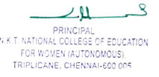
Timestamp | Username | Total score | Name (as required in the certificate) | Name (as required in the certificate) [Score] | Name (as required in the certificate) [Feedback] | Designation | Designation [Score] | Designation [Feedback] | Name of the College / University / Institution | Name of the College / University / Institution [Score] | Name of the College / University / Institution [Feedback] | City | City [Score] | City [Feedback] | State | State [Score] | State [Feedback] | Contact Number | Contact Number [Score] | Contact Number [Feedback] | How would you rate this Webinar? | How would you rate this Webinar? [Score] | How would you rate this Webinar? [Feedback] | Highlight the inputs you received through this Webinar | Highlight the inputs you received through this Webinar [Score] | Highlight the inputs you received through this Webinar [Feedback]
2021/05/26 4:12:40 PM GMT+5:30 | sadiya3042809@gmail.com | 0.00 / 0 | Sadiya Fathima. K | -- / 0 |  | Msc psychology | -- / 0 |  | Presidency College | -- / 0 |  | Chennai | -- / 0 |  | Tamilnadu | -- / 0 |  | 9600006788 | -- / 0 |  | 5 | -- / 0 |  | Excellent session. Thank you mam | -- / 0
2021/05/26 4:12:41 PM GMT+5:30 | vsankarmphil@gmail.com | 0.00 / 0 | Mr V.SANKAR | -- / 0 |  | PH.D RESEARCH SCHOLAR | -- / 0 |  | TAMIL NADU TEACHERS EDUCATION UNIVERSITY CHENNAI | -- / 0 |  | CHENNAI | -- / 0 |  | TAMIL NADU | -- / 0 |  | 9442379370 | -- / 0 |  | 5 | -- / 0 |  | Excellent | -- / 0
2021/05/26 4:12:45 PM GMT+5:30 | rajchamu2006@yahoo.co.in | 0.00 / 0 | Dr. S. Chamundeswari | -- / 0 |  | Principal | -- / 0 |  | NKT National College of Education for Women | -- / 0 |  | Chennai | -- / 0 |  | Tamil Nadu | -- / 0 |  | 9790953062 | -- / 0 |  | 5 | -- / 0 |  | To be an empathetic Teacher | -- / 0
2021/05/26 4:12:50 PM GMT+5:30 | priyankahari31081999@gmail.com | 0.00 / 0 | PRIYANKA H | -- / 0 |  | Student | -- / 0 |  | N.K.T. NATIONAL COLLEGE OF EDUCATION FOR WOMEN | -- / 0 |  | Chennai | -- / 0 |  | Tamil Nadu | -- / 0 |  | 7010803173 | -- / 0 |  | 4 | -- / 0 |  | A | -- / 0
2021/05/26 4:12:50 PM GMT+5:30 | vijirayar73@gmail.com | 0.00 / 0 | MS.M.VIJAYALAKSHMI | -- / 0 |  | Assistant Professor (Former) | -- / 0 |  | Sri Ramakrishna Mission Vidyalaya College of Education (Autonomous), Coimbatore-20 | -- / 0 |  | Coimbatore | -- / 0 |  | TAMIL NADU | -- / 0 |  | 9791233339 | -- / 0 |  | 5 | -- / 0 |  | Movie n explanations | -- / 0
2021/05/26 4:12:57 PM GMT+5:30 | vendhanr5@gmail.com | 0.00 / 0 | DR.R.VENDHAN | -- / 0 |  | PRINCIPAL | -- / 0 |  | Mahindhira College of Education | -- / 0 |  | Tiruchengodu | -- / 0 |  | TAMILNADU | -- / 0 |  | 9788592155 | -- / 0 |  | 5 | -- / 0 |  | All | -- / 0
2021/05/26 4:12:57 PM GMT+5:30 | hepsibha08@gmail.com | 0.00 / 0 | Remi Hepsibha H | -- / 0 |  | Research Scholar | -- / 0 |  | Stella Matituna College of Education/ TBTEU | -- / 0 |  | Chennai | -- / 0 |  | TamilNadu | -- / 0 |  | 9884383278 | -- / 0 |  | 5 | -- / 0 |  | Good | -- / 0
2021/05/26 4:13:00 PM GMT+5:30 | pjharipriya@gmail.com | 0.00 / 0 | P. HARIPRIYA | -- / 0 |  | B. ED | -- / 0 |  | NAZARETH COLLEGE OF EDUCATION FOR WOMENS | -- / 0 |  | Chennai | -- / 0 |  | Tamilnadu | -- / 0 |  | 9940565237 | -- / 0 |  | 5 | -- / 0 |  | Very interesting and useful | -- / 0
2021/05/26 4:13:07 PM GMT+5:30 | sreejithrk.tvm@gmail.com | 0.00 / 0 | SREEJITH R K | -- / 0 |  | Research Scholar | -- / 0 |  | Vinayaka Mission Research Foundation, Salem | -- / 0 |  | Thiruvananthapuram | -- / 0 |  | Kerala | -- / 0 |  | 9496952928 | -- / 0 |  | 5 | -- / 0 |  | very good session | -- / 0
2021/05/26 4:13:07 PM GMT+5:30 | code5111994@gmail.com | 0.00 / 0 | NITHISH P | -- / 0 |  | Student Teacher | -- / 0 |  | Thiagarajar college of Precptors | -- / 0 |  | madurai | -- / 0 |  | tamilnadu | -- / 0 |  | 9790650257 | -- / 0 |  | 5 | -- / 0 |  | good session | -- / 0
2021/05/26 4:13:08 PM GMT+5:30 | vjansi93@gmail.com | 0.00 / 0 | V. JANSI | -- / 0 |  | M. Ed., second year | -- / 0 |  | Crescent college of education | -- / 0 |  | TIRUVANNAMALAI | -- / 0 |  | TAMILNADU | -- / 0 |  | 9597789199 | -- / 0 |  | 5 | -- / 0 |  | Excellent | -- / 0
2021/05/26 4:13:08 PM GMT+5:30 | saranya.mb88@gmail.com | 0.00 / 0 | M.Saranya | -- / 0 |  | Student | -- / 0 |  | NKT National College of education for women | -- / 0 |  | Chennai | -- / 0 |  | Tamilnadu | -- / 0 |  | 9952014249 | -- / 0 |  | 5 | -- / 0 |  | Teacher student relationship | -- / 0
2021/05/26 4:13:10 PM GMT+5:30 | natarajan.j19@gmail.com | 0.00 / 0 | J. NATARAJAN | -- / 0 |  | Ph.D Scholar | -- / 0 |  | PRIST Deemed to be University | -- / 0 |  | Thanjavur | -- / 0 |  | Tamilnadu | -- / 0 |  | 9943477124 | -- / 0 |  | 5 | -- / 0 |  | Good | -- / 0
2021/05/26 4:13:19 PM GMT+5:30 | komalgoel2001@gmail.com | 0.00 / 0 | Komal | -- / 0 |  | Student | -- / 0 |  | R.K.S.D. (P.G) College, Kaithal | -- / 0 |  | Kaithal | -- / 0 |  | Haryana | -- / 0 |  | 9138310573 | -- / 0 |  | 5 | -- / 0 |  | Teacher student bond and the qualities a teacher should have to create a better learning environment in the class. | -- / 0
2021/05/26 4:13:20 PM GMT+5:30 | logiraji98@gmail.com | 0.00 / 0 | LOCHANA R | -- / 0 |  | M.Ed | -- / 0 |  | N.K.T NATIONAL COLLEGE OF EDUCATION FOR WOMEN | -- / 0 |  | CHENNAI | -- / 0 |  | TAMIL NADU | -- / 0 |  | 9444283550 | -- / 0 |  | 5 | -- / 0 |  | Good | -- / 0
2021/05/26 4:13:22 PM GMT+5:30 | sttajaneedu@gmail.com | 0.00 / 0 | Dr. Sharad Timaji Tajane | -- / 0 |  | Assistant professor | -- / 0 |  | Bhavan's College Andheri Mumbai | -- / 0 |  | Mumbai | -- / 0 |  | Maharashtra | -- / 0 |  | 919869580275 | -- / 0 |  | 5 | -- / 0 |  | Skill | -- / 0
2021/05/26 4:13:23 PM GMT+5:30 | dharmaraj111@gmail.com | 0.00 / 0 | Dharmaraj Selvaraj | -- / 0 |  | Teacher | -- / 0 |  | Newman Academy | -- / 0 |  | Malayattoor | -- / 0 |  | Kerala | -- / 0 |  | 919037480331 | -- / 0 |  | 5 | -- / 0 |  | Class management techniques | -- / 0
2021/05/26 4:13:25 PM GMT+5:30 | jananideva2010@gmail.com | 0.00 / 0 | P.Janani | -- / 0 |  | Student | -- / 0 |  | N.K,T.National College of Education for Women | -- / 0 |  | Chennai | -- / 0 |  | Tamil Nadu | -- / 0 |  | 9940074153 | -- / 0 |  | 5 | -- / 0 |  | Teacher qualities | -- / 0
2021/05/26 4:13:33 PM GMT+5:30 | sadha.eng@gmail.com | 0.00 / 0 | Pandiyammal T | -- / 0 |  | B.Ed., | -- / 0 |  | N.K.T. College of Education for Women | -- / 0 |  | Chennai | -- / 0 |  | Tamilnadu | -- / 0 |  | 8939366833 | -- / 0 |  | 5 | -- / 0 |  | How to equip to become a inspirational teacher | -- / 0
2021/05/26 4:13:33 PM GMT+5:30 | manjulabalaraman20@gmail.com | 0.00 / 0 | B. Manjula | -- / 0 |  | Student | -- / 0 |  | N. K. T. National College education for women | -- / 0 |  | Chennai | -- / 0 |  | Tamil nadu | -- / 0 |  | 9498310772 | -- / 0 |  | 4 | -- / 0 |  | No | -- / 0
2021/05/26 4:13:34 PM GMT+5:30 | divyaudayakumar003@gmail.com | 0.00 / 0 | DIVYA.U | -- / 0 |  | STUDENT | -- / 0 |  | N.K.T.NATIONAL COLLEGE OF EDUCATION FOR WOMEN | -- / 0 |  | CHENNAI | -- / 0 |  | TAMILNADU | -- / 0 |  | 9952087379 | -- / 0 |  | 5 | -- / 0 |  | How to be a dynamic teacher | -- / 0
2021/05/26 4:13:40 PM GMT+5:30 | annapooranic03@gmail.com | 0.00 / 0 | MAHARAJA ANNAPOORANI.C | -- / 0 |  | B.ed | -- / 0 |  | NKT NATIONAL EDUCATION COLLEGE FOR WOMAN | -- / 0 |  | Chennai | -- / 0 |  | Tamil Nadu | -- / 0 |  | 8940992159 | -- / 0 |  | 5 | -- / 0 |  | _ | -- / 0
2021/05/26 4:13:41 PM GMT+5:30 | mohangalgotra@gmail.com | 0.00 / 0 | Dr. Mohan Galgotra | -- / 0 |  | Assistant Professor | -- / 0 |  | G.C.W.Udhampur, Jammu | -- / 0 |  | Jammu | -- / 0 |  | Jammu and Kashmir | -- / 0 |  | 9596970801 | -- / 0 |  | 5 | -- / 0 |  | Psychological aspects of teaching | -- / 0
2021/05/26 4:13:42 PM GMT+5:30 | kavikarthi889@gmail.com | 0.00 / 0 | Kavitha K.R | -- / 0 |  | Student | -- / 0 |  | NKT college | -- / 0 |  | Chennai | -- / 0 |  | Tamilnadu | -- / 0 |  | 7094196739 | -- / 0 |  | 5 | -- / 0 |  | Very usefull to me | -- / 0
2021/05/26 4:13:46 PM GMT+5:30 | pareetjayadevi@gmail.com | 0.00 / 0 | Dr.A. Pareet Jayadevi | -- / 0 |  | Assistant Professor | -- / 0 |  | MEASI COLLEGE OF EDUCATION | -- / 0 |  | Chennai | -- / 0 |  | Tamilnadu | -- / 0 |  | 9789014171 | -- / 0 |  | 5 | -- / 0 |  | Teacher should be a Role model of the students | -- / 0
2021/05/26 4:13:47 PM GMT+5:30 | keerthy0104@gmail.com | 0.00 / 0 | KEERTHANA.R | -- / 0 |  | Student Teacher | -- / 0 |  | N.K.T.National college of Education For Women | -- / 0 |  | Chennai | -- / 0 |  | Tamil Nadu | -- / 0 |  | 8428047477 | -- / 0 |  | 5 | -- / 0 |  | Womens willpower | -- / 0
2021/05/26 4:13:47 PM GMT+5:30 | joyeso2111@gmail.com | 0.00 / 0 | R. Yesodha | -- / 0 |  | Student | -- / 0 |  | NKT national college of education for women | -- / 0 |  | Chennai | -- / 0 |  | Tamil Nadu | -- / 0 |  | 9884276058 | -- / 0 |  | 5 | -- / 0 |  | How to make myself as a good teacher | -- / 0
2021/05/26 4:13:51 PM GMT+5:30 | k.anuradha72@gmail.com | 0.00 / 0 | Mrs ANURADHA K | -- / 0 |  | Assistant Professor of Biological Science | -- / 0 |  | Jaya College of Education | -- / 0 |  | Chennai | -- / 0 |  | Tamilnadu | -- / 0 |  | 9443068788 | -- / 0 |  | 5 | -- / 0 |  | Excellent session | -- / 0
2021/05/26 4:13:52 PM GMT+5:30 | kdbensima@gmail.com | 0.00 / 0 | Daisy.K | -- / 0 |  | B.Ed student | -- / 0 |  | Nazareth College of Education for women | -- / 0 |  | Chennai | -- / 0 |  | Tamil Nadu | -- / 0 |  | 8680976112 | -- / 0 |  | 5 | -- / 0 |  | Very valuable section | -- / 0
2021/05/26 4:13:52 PM GMT+5:30 | malinikaviya@gmail.com | 0.00 / 0 | Mrs.E.MALINI | -- / 0 |  | Assistant professor | -- / 0 |  | N.K.T.National college of Education for women | -- / 0 |  | Chennai | -- / 0 |  | Tamil Nadu | -- / 0 |  | 9384638767 | -- / 0 |  | 5 | -- / 0 |  | Very informative session. | -- / 0
2021/05/26 4:13:57 PM GMT+5:30 | samuelhepsiba7@gmail.com | 0.00 / 0 | R Hepsiba | -- / 0 |  | Student | -- / 0 |  | Nazareth College of Education for Women / University of Madras | -- / 0 |  | Chennao | -- / 0 |  | Tamilnadu | -- / 0 |  | 9941906888 | -- / 0 |  | 5 | -- / 0 |  | That was an awesom webbinar very useful, and energitic speach by mam, also had a great time | -- / 0
2021/05/26 4:14:00 PM GMT+5:30 | tdhanushiya97@gmail.com | 0.00 / 0 | Dhanushiya T | -- / 0 |  | Student | -- / 0 |  | NKT National Education College for Women | -- / 0 |  | Chennai | -- / 0 |  | Tamil Nadu | -- / 0 |  | 9385722042 | -- / 0 |  | 5 | -- / 0 |  | It's very useful full for me..mam | -- / 0
2021/05/26 4:14:00 PM GMT+5:30 | sugirthashree@gmail.com | 0.00 / 0 | S Sugirtha Shree | -- / 0 |  | 1 year B.ed | -- / 0 |  | N.K.T National College of Education for Women | -- / 0 |  | Chennai | -- / 0 |  | Tamil Nadu | -- / 0 |  | 8220653701 | -- / 0 |  | 5 | -- / 0 |  | Essential skills to develop the competency | -- / 0
2021/05/26 4:14:01 PM GMT+5:30 | selvisigc@gmail.com | 0.00 / 0 | MS.P.SELVI | -- / 0 |  | Assistant Professor | -- / 0 |  | Shrimati Indira Gandhi college | -- / 0 |  | Trichy | -- / 0 |  | Tamilnadu | -- / 0 |  | 7094253272 | -- / 0 |  | 4 | -- / 0 |  | Teachers roke | -- / 0
2021/05/26 4:14:02 PM GMT+5:30 | Shalinivel.phy@gmail.com | 0.00 / 0 | V. SHALINI | -- / 0 |  | Student | -- / 0 |  | NKT National College of education of women | -- / 0 |  | Chennai | -- / 0 |  | Tamil Nadu | -- / 0 |  | 7550211863 | -- / 0 |  | 4 | -- / 0 |  | Interesting seminor | -- / 0
2021/05/26 4:14:03 PM GMT+5:30 | ramani14siva@gmail.com | 0.00 / 0 | Ramani N | -- / 0 |  | Asst.Professor | -- / 0 |  | Sri Balaji College of education | -- / 0 |  | Salem | -- / 0 |  | Tamil Nadu | -- / 0 |  | 7598081163 | -- / 0 |  | 4 | -- / 0 |  | Great | -- / 0
2021/05/26 4:14:05 PM GMT+5:30 | ranupriya0305@gmail.com | 0.00 / 0 | R. Anupriya | -- / 0 |  | Wonderful session | -- / 0 |  | N.K.T. National College of education for women | -- / 0 |  | Chennai | -- / 0 |  | Tamil Nadu | -- / 0 |  | 9585066144 | -- / 0 |  | 5 | -- / 0 |  | Nice presentation & wonderful session | -- / 0
2021/05/26 4:14:09 PM GMT+5:30 | vinothiniarumugaraja2000@gmail.com | 0.00 / 0 | A.vinothini | -- / 0 |  | Student | -- / 0 |  | Dr sivanthiAditanar college of education | -- / 0 |  | Thirchendur | -- / 0 |  | Tamilnadu | -- / 0 |  | 9789620096 | -- / 0 |  | 5 | -- / 0 |  | I get idea of how the virtual competition will me tq alot | -- / 0
2021/05/26 4:14:15 PM GMT+5:30 | keerthanakalvi1998@gmail.com | 0.00 / 0 | K.Keerthana | -- / 0 |  | Student teacher | -- / 0 |  | N.K.T.National college of Educational for women | -- / 0 |  | Chennai | -- / 0 |  | Tamilnadu | -- / 0 |  | 7395915934 | -- / 0 |  | 5 | -- / 0 |  | Teaching profession is very great profession | -- / 0
2021/05/26 4:14:16 PM GMT+5:30 | vikithasanthi23@gmail.com | 0.00 / 0 | Vikitha S | -- / 0 |  | Student Teacher | -- / 0 |  | Thiyagarajar college of Preceptors, Madurai | -- / 0 |  | Madurai | -- / 0 |  | Tamil Nadu | -- / 0 |  | 9597736652 | -- / 0 |  | 5 | -- / 0 |  | This webinar is so interesting and heart warming. As a student teacher I came to know about 21st century skills. | -- / 0
2021/05/26 4:14:16 PM GMT+5:30 | raji2208000@gmail.com | 0.00 / 0 | G. Rajakumari | -- / 0 |  | Mathematics | -- / 0 |  | N. K. T National women's educational college chennai-05 | -- / 0 |  | Chennai | -- / 0 |  | Tamil nadu | -- / 0 |  | 9629683282 | -- / 0 |  | 5 | -- / 0 |  | Very use ful | -- / 0
2021/05/26 4:14:18 PM GMT+5:30 | code5111994@gmail.com | 0.00 / 0 | NITHISH P | -- / 0 |  | Student Teacher | -- / 0 |  | Thiagarajar college of Preceptors | -- / 0 |  | Madurai | -- / 0 |  | Tamil Nadu | -- / 0 |  | 9790650257 | -- / 0 |  | 5 | -- / 0 |  | good session | -- / 0
2021/05/26 4:14:23 PM GMT+5:30 | shantha.christy@gmail.com | 0.00 / 0 | SanthaKumari V.R | -- / 0 |  | Assistant Professor of Mathematics Education | -- / 0 |  | N.K.T.National College of Education for Women | -- / 0 |  | Chennai | -- / 0 |  | Tamil Nadu | -- / 0 |  | 7708846372 | -- / 0 |  | 5 | -- / 0 |  | Interaction | -- / 0
2021/05/26 4:14:24 PM GMT+5:30 | vijivydee137@gmail.com | 0.00 / 0 | Ms. VIJAYALAKSHMI.V | -- / 0 |  | B.Ed First year | -- / 0 |  | N.K.T. National College of Education for Women | -- / 0 |  | Chennai | -- / 0 |  | Tamil Nadu | -- / 0 |  | 7299911515 | -- / 0 |  | 5 | -- / 0 |  | Skills of a Teacher | -- / 0
2021/05/26 4:14:25 PM GMT+5:30 | pavithrapsychologist18@gmail.com | 0.00 / 0 | Pavithra | -- / 0 |  | Ug | -- / 0 |  | Sri kanyaka parameswari | -- / 0 |  | Perambalur | -- / 0 |  | Tamil Nadu | -- / 0 |  | 7200846583 | -- / 0 |  | 5 | -- / 0 |  | The way of teaching | -- / 0
2021/05/26 4:14:30 PM GMT+5:30 | sasisamyindu@gmail.com | 0.00 / 0 | INDUMATHY. P | -- / 0 |  | Student | -- / 0 |  | Dr. MGR educational and research institute | -- / 0 |  | Chennai | -- / 0 |  | Tamilnadu | -- / 0 |  | 9087167703 | -- / 0 |  | 5 | -- / 0 |  | Teachers should be a second mother | -- / 0
2021/05/26 4:14:30 PM GMT+5:30 | devibavani2010@gmail.com | 0.00 / 0 | R. Devi Bavani | -- / 0 |  | Asst professor | -- / 0 |  | Nazareth college of education for women Avadi Chennai | -- / 0 |  | Chennai | -- / 0 |  | Tamil nadu | -- / 0 |  | 9884749370 | -- / 0 |  | 5 | -- / 0 |  | Well organized session | -- / 0
2021/05/26 4:14:31 PM GMT+5:30 | venmanikumar12@gmail.com | 0.00 / 0 | M.Venmani | -- / 0 |  | Assistant Professor | -- / 0 |  | N.K.T.National College of Education for Women | -- / 0 |  | Chennai | -- / 0 |  | Tamil Nadu | -- / 0 |  | 7010723673 | -- / 0 |  | 5 | -- / 0 |  | Teaching competency is very clearly understand | -- / 0
2021/05/26 4:14:36 PM GMT+5:30 | prithadeepa@gmail.com | 0.00 / 0 | M.Pritha | -- / 0 |  | B.Ed Student | -- / 0 |  | N.K.T. National college of education for women | -- / 0 |  | Chennai | -- / 0 |  | Tamilnadu | -- / 0 |  | 9361554064 | -- / 0 |  | 5 | -- / 0 |  | Very useful | -- / 0
2021/05/26 4:14:36 PM GMT+5:30 | chitrageetha99@gmail.com | 0.00 / 0 | Chitra. R | -- / 0 |  | Student | -- / 0 |  | N. K. T national college of education for women | -- / 0 |  | Chennai | -- / 0 |  | Tamil nadu | -- / 0 |  | 9087038681 | -- / 0 |  | 5 | -- / 0 |  | Become aGood teacher | -- / 0
2021/05/26 4:14:41 PM GMT+5:30 | harshinilogu.29@gmail.com | 0.00 / 0 | P.Harshini | -- / 0 |  | Very interesting | -- / 0 |  | N.K.T NATIONAL COLLEGE OF EDUCATION FOR WOMEN | -- / 0 |  | Chennai | -- / 0 |  | Tamil Nadu | -- / 0 |  | 8754772727 | -- / 0 |  | 5 | -- / 0 |  | How to be treat the students in good manner | -- / 0
2021/05/26 4:14:41 PM GMT+5:30 | agilahari83@gmail.com | 0.00 / 0 | AGILANDESHWARI.U | -- / 0 |  | STUDENT | -- / 0 |  | NKT COLLEGE OF EDUCATION | -- / 0 |  | CHENNAI | -- / 0 |  | TAMIL NADU | -- / 0 |  | 9444960147 | -- / 0 |  | 5 | -- / 0 |  | Learnt to become a technically skilled teacher. | -- / 0
2021/05/26 4:14:45 PM GMT+5:30 | sangeethathamilan@gmail.com | 0.00 / 0 | Sangeetha.B | -- / 0 |  | Student teacher | -- / 0 |  | NKT NATIONAL COLLEGE OF EDUCATION FOR WOMEN | -- / 0 |  | Chennai | -- / 0 |  | Tamilnadu | -- / 0 |  | 9842285338 | -- / 0 |  | 5 | -- / 0 |  | Such a mindblowing aspects in the field of education | -- / 0
2021/05/26 4:14:45 PM GMT+5:30 | nirupalini@gmail.com | 0.00 / 0 | Dr. D. NIRUPALINI | -- / 0 |  | Professor | -- / 0 |  | NKT NATIONAL COLLEGE OF EDUCATION FOR WOMEN | -- / 0 |  | Chennai | -- / 0 |  | Tamilnadu | -- / 0 |  | 9940414891 | -- / 0 |  | 5 | -- / 0 |  | Came to know the professional skills in 21st century of a teacher | -- / 0
2021/05/26 4:14:54 PM GMT+5:30 | keziahsingh15@gmail.com | 0.00 / 0 | T.KEZIAH | -- / 0 |  | Assistant Professor of English Education | -- / 0 |  | N.K.T.National College of Education for Women | -- / 0 |  | Chennai | -- / 0 |  | Tamil Nadu | -- / 0 |  | 8124000505 | -- / 0 |  | 5 | -- / 0 |  | All | -- / 0
2021/05/26 4:15:02 PM GMT+5:30 | jvpsnn2015@gmail.com | 0.00 / 0 | Dr. SASIREKA J V | -- / 0 |  | Principal I/C | -- / 0 |  | Sri Sarada College of Physical Education for Women | -- / 0 |  | Salem | -- / 0 |  | Tamilnadu | -- / 0 |  | 6379723551 | -- / 0 |  | 5 | -- / 0 |  | What we should be in future? | -- / 0
2021/05/26 4:15:03 PM GMT+5:30 | miraculinbelciya123@gmail.com | 0.00 / 0 | Miraculin Belciya.P | -- / 0 |  | B.Ed.Mathematics | -- / 0 |  | Nazareth College of Education For Women | -- / 0 |  | Chennai | -- / 0 |  | Tamil Nadu | -- / 0 |  | 9087814266 | -- / 0 |  | 5 | -- / 0 |  | Wonderful teaching | -- / 0
2021/05/26 4:15:08 PM GMT+5:30 | anand_nithya64@yahoo.co.in | 0.00 / 0 | NITHYANANDAM K | -- / 0 |  | HOD / Basic Engg | -- / 0 |  | ADHIPARASAKTHI POLYTECHNIC COLLEGE, MELMARUVATHUR | -- / 0 |  | Chengalpattu District | -- / 0 |  | Tamilnadu | -- / 0 |  | 9486639775 | -- / 0 |  | 5 | -- / 0 |  | Very excellent methods are given and covers all the area. | -- / 0
2021/05/26 4:15:10 PM GMT+5:30 | vijayadharshini001@gmail.com | 0.00 / 0 | VIJAYADHARSHINI.R | -- / 0 |  | B.Ed | -- / 0 |  | NKT National College of Education for women (A), Triplicane | -- / 0 |  | Chennai | -- / 0 |  | Tamilnadu | -- / 0 |  | 9940654082 | -- / 0 |  | 5 | -- / 0 |  | This session was successful and effective more information about competencies of teacher skills | -- / 0
2021/05/26 4:15:27 PM GMT+5:30 | ishwaryasasikumar@gmail.com | 0.00 / 0 | Ishwarya k.s | -- / 0 |  | Student | -- / 0 |  | Nazreth college of women | -- / 0 |  | Chennai | -- / 0 |  | Tamil nadu | -- / 0 |  | 7299524022 | -- / 0 |  | 5 | -- / 0 |  | Its very useful session ,to be followed by all teachers | -- / 0
2021/05/26 4:15:38 PM GMT+5:30 | dhivyasakthi97@gmail.com | 0.00 / 0 | DHIVYABHARATHI S | -- / 0 |  | B.ed PEDAGOGY OF PHYSICAL SCIENCE | -- / 0 |  | NKT NATIONAL COLLEGE OF EDUCATION FOR WOMEN | -- / 0 |  | CHENNAI | -- / 0 |  | TAMIL NADU | -- / 0 |  | 9385307540 | -- / 0 |  | 5 | -- / 0 |  | Very informative | -- / 0
2021/05/26 4:15:39 PM GMT+5:30 | westayconnected@yahoo.co.in | 0.00 / 0 | Biny C.V | -- / 0 |  | Teacher | -- / 0 |  | Newman Academy,Vimalagiri | -- / 0 |  | Malayattoor | -- / 0 |  | Kerala | -- / 0 |  | 9946577526 | -- / 0 |  | 5 | -- / 0 |  | Need to update skills | -- / 0
2021/05/26 4:15:52 PM GMT+5:30 | pvanitha1977@gmail.com | 0.00 / 0 | Mrs.P.VANITHA | -- / 0 |  | Research scholar | -- / 0 |  | NKT National College of Education for women chennai-05 | -- / 0 |  | Chennai | -- / 0 |  | Tamilnadu | -- / 0 |  | 9710081758 | -- / 0 |  | 1 | -- / 0 |  | Wonderful session,Good presentaion.Thank you everyone. | -- / 0
2021/05/26 4:16:04 PM GMT+5:30 | lalitar2016@gmail.com | 0.00 / 0 | LALITHA P R | -- / 0 |  | Student | -- / 0 |  | N K Teacher National College of Education For Women | -- / 0 |  | Chennai | -- / 0 |  | Tamilnadu | -- / 0 |  | 6238227143 | -- / 0 |  | 5 | -- / 0 |  | How to become a model teacher | -- / 0
2021/05/26 4:16:12 PM GMT+5:30 | rajapriya5690@gmail.com | 0.00 / 0 | R.RAJAPRIYA | -- / 0 |  | M.Ed Student | -- / 0 |  | NKT NATIONAL COLLEGE OF EDUCATION FOR WOMEN | -- / 0 |  | CHENNAI | -- / 0 |  | TAMILNADU | -- / 0 |  | 8072570442 | -- / 0 |  | 5 | -- / 0 |  | Its a wonderful webinar. Thank you so much mam. I learned more teaching competencies for teachers. That video was heart touched. Thank you my NKT. | -- / 0
2021/05/26 4:16:18 PM GMT+5:30 | muthumani0401@gmail.com | 0.00 / 0 | V. Muthumani | -- / 0 |  | Student Teacher | -- / 0 |  | Thiagarajar College of Preceptors | -- / 0 |  | Madurai | -- / 0 |  | Tamilnadu | -- / 0 |  | 7904860103 | -- / 0 |  | 5 | -- / 0 |  | A Good Teacher Make Successful Student | -- / 0
2021/05/26 4:16:18 PM GMT+5:30 | rajeswari2021mdu@gmail.com | 0.00 / 0 | Rajeswari.V.B | -- / 0 |  | B.Sc Maths,B.Ed | -- / 0 |  | Thiagaraja college of preceptors | -- / 0 |  | Madurai | -- / 0 |  | Tamil Nadu | -- / 0 |  | 8838842270 | -- / 0 |  | 4 | -- / 0 |  | Teaching aids | -- / 0
2021/05/26 4:16:27 PM GMT+5:30 | rj.dhivya23@gmail.com | 0.00 / 0 | Ms. M. Dhivya | -- / 0 |  | Student | -- / 0 |  | NKT National College of Education for Women | -- / 0 |  | Chennai | -- / 0 |  | Tamil Nadu | -- / 0 |  | 8939190789 | -- / 0 |  | 5 | -- / 0 |  | The approaching attitude of a teacher | -- / 0
2021/05/26 4:16:27 PM GMT+5:30 | tajanesuchitra@gmail.com | 0.00 / 0 | Dr. Suchitra Sharad Tajane | -- / 0 |  | Assistant Professor and Head | -- / 0 |  | Department of Sanskrit, University of Mumbai | -- / 0 |  | Mumbai | -- / 0 |  | Maharashtra | -- / 0 |  | 9022523038 | -- / 0 |  | 5 | -- / 0 |  | Knowledge | -- / 0
2021/05/26 4:16:37 PM GMT+5:30 | jnaveen531@gmail.com | 0.00 / 0 | Mr. J. NATARAJAN | -- / 0 |  | Principal I/C | -- / 0 |  | Al-Ameen College of Education | -- / 0 |  | Tiruvannamalai | -- / 0 |  | Tamilnadu | -- / 0 |  | 9943122301 | -- / 0 |  | 5 | -- / 0 |  | Good | -- / 0
2021/05/26 4:16:39 PM GMT+5:30 | vediv8705@gmail.com | 0.00 / 0 | E. Nathiya | -- / 0 |  | Students | -- / 0 |  | NKT National college of education for women | -- / 0 |  | Chennai | -- / 0 |  | Thamilnadu | -- / 0 |  | 8939197404 | -- / 0 |  | 1 | -- / 0 |  | Good teacher | -- / 0
2021/05/26 4:16:46 PM GMT+5:30 | 19bede189sanggeethavanim.s@gmail.com | 0.00 / 0 | M. S. SANGGEETHAVANI | -- / 0 |  | Chennai | -- / 0 |  | N. K. T. NATIONAL COLLEGE OF EDUCATION FOR WOMAN | -- / 0 |  | Chennai | -- / 0 |  | Tamilnadu | -- / 0 |  | 8838428665 | -- / 0 |  | 4 | -- / 0 |  | Very motivational story | -- / 0
2021/05/26 4:16:47 PM GMT+5:30 | kowsalyavenkatesh7122@gmail.com | 0.00 / 0 | Kowsalya.V | -- / 0 |  | Student | -- / 0 |  | Nazareth College Of Education For Women /TNTEU | -- / 0 |  | Chennai | -- / 0 |  | Tamilnadu | -- / 0 |  | 9092064714 | -- / 0 |  | 5 | -- / 0 |  | Really wonderful session am interestingly watching final video THE GREAT TEACHER its really attracted my mind For my wish I Want Become A Teacher Like the Mam...Thank you for this session | -- / 0
2021/05/26 4:16:53 PM GMT+5:30 | nirmala0207@gmail.com | 0.00 / 0 | NIRMALA RANI P | -- / 0 |  | STUDENT | -- / 0 |  | NKT COLLEGE OF EDUCATION FOR WOMEN | -- / 0 |  | CHENNAI | -- / 0 |  | TAMILNADU | -- / 0 |  | 9940421394 | -- / 0 |  | 5 | -- / 0 |  | COMPENTENCIES FOR A TEACHER | -- / 0
2021/05/26 4:17:02 PM GMT+5:30 | Ruth.shalu@gmail.com | 0.00 / 0 | Ruth Shalini | -- / 0 |  | Student | -- / 0 |  | Nazareth college for women | -- / 0 |  | Thiruvallur | -- / 0 |  | Tamilnadu | -- / 0 |  | 7200558577 | -- / 0 |  | 5 | -- / 0 |  | It was a very good understandable, full of concepts oriented. Understood, how the teachers shoild be? Kids are not unique, methods to keep kids understand the classes, experimental, technology skills and more. | -- / 0
2021/05/26 4:17:25 PM GMT+5:30 | priyamagalakshmi5@gmail.com | 0.00 / 0 | V.priya | -- / 0 |  | Good | -- / 0 |  | N.K.T. College | -- / 0 |  | Chennai | -- / 0 |  | Indhia | -- / 0 |  | 9840946525 | -- / 0 |  | 5 | -- / 0 |  | Very good | -- / 0
2021/05/26 4:17:39 PM GMT+5:30 | 19bede167jagadeeshwari.s@gmail.com | 0.00 / 0 | JAGADEESHWARI.S | -- / 0 |  | Student teacher | -- / 0 |  | NKT NATIONAL COLLEGE OF EDUCATION FOR WOMEN | -- / 0 |  | Chennai | -- / 0 |  | Tamil Nadu | -- / 0 |  | 9543630656 | -- / 0 |  | 5 | -- / 0 |  | Learned how to be a inspiring teacher | -- / 0
2021/05/26 4:17:41 PM GMT+5:30 | suneethanambaru@gmail.com | 0.00 / 0 | Dr.Nambaru Mary Suneetha | -- / 0 |  | Assistant Professor | -- / 0 |  | MEASI COLLEGE OF EDUCATION | -- / 0 |  | Chennai | -- / 0 |  | Tamilnadu | -- / 0 |  | 9444755918 | -- / 0 |  | 5 | -- / 0 |  | Teacher should be a role model | -- / 0
2021/05/26 4:18:03 PM GMT+5:30 | khushboochawla711@gmail.com | 0.00 / 0 | Khushboo Chawla | -- / 0 |  | TGT social science | -- / 0 |  | Happy Model School | -- / 0 |  | New Delhi | -- / 0 |  | New delhi | -- / 0 |  | 7291928941 | -- / 0 |  | 5 | -- / 0 |  | Excellent | -- / 0
2021/05/26 4:18:06 PM GMT+5:30 | rdineshsundar@gmail.com | 0.00 / 0 | DINESH R | -- / 0 |  | TEACHER | -- / 0 |  | SRI VINAYAGA VIDHYALAYA SR SEC SCHOOL | -- / 0 |  | COIMBATORE | -- / 0 |  | TAMILNADU | -- / 0 |  | 9688588301 | -- / 0 |  | 5 | -- / 0 |  | Teacher 3.0 and develop the current situation... Videos are good examples | -- / 0
2021/05/26 4:18:10 PM GMT+5:30 | durgabai291081@gmail.con | 0.00 / 0 | D.DurgaBai | -- / 0 |  | Student teacher | -- / 0 |  | N.K.T.NATIONAL COLLEGE FOR WOMEN | -- / 0 |  | Chennai | -- / 0 |  | Tamilnadu | -- / 0 |  | 9840909499 | -- / 0 |  | 5 | -- / 0 |  | Experimental teaching | -- / 0
2021/05/26 4:18:12 PM GMT+5:30 | pavithrapsychologist18@gmail.com | 0.00 / 0 | Pavithra vignesh | -- / 0 |  | M. Sc. Psychology | -- / 0 |  | Sri kanyaka parameswari | -- / 0 |  | Chennai | -- / 0 |  | Tamil Nadu | -- / 0 |  | 7200846583 | -- / 0 |  | 5 | -- / 0 |  | The way of teaching | -- / 0
2021/05/26 4:18:22 PM GMT+5:30 | nithiyajeevitha23@gmail.com | 0.00 / 0 | Nithiya Jeevitha T | -- / 0 |  | Student Teacher | -- / 0 |  | NKT National College Of Education for Women | -- / 0 |  | Chennai | -- / 0 |  | Tamil Nadu | -- / 0 |  | 9003244951 | -- / 0 |  | 5 | -- / 0 |  | Teacher in future schools | -- / 0
2021/05/26 4:18:24 PM GMT+5:30 | rani23jhansi@gmail.com | 0.00 / 0 | Jhansirani S | -- / 0 |  | College Student | -- / 0 |  | Nazareth College of Education for Women | -- / 0 |  | Chennai | -- / 0 |  | Tamilnadu | -- / 0 |  | 9994937218 | -- / 0 |  | 5 | -- / 0 |  | how will be good teacher then to understand students needs and to improve for them. | -- / 0
2021/05/26 4:18:29 PM GMT+5:30 | vinothiniarumugaraja2000@gmail.com | 0.00 / 0 | A.vinothini | -- / 0 |  | Student1 st year B,Ed | -- / 0 |  | Dr sivanthi Aditanar college of education | -- / 0 |  | Thirchendur | -- / 0 |  | Tamilnadu | -- / 0 |  | 9789620096 | -- / 0 |  | 5 | -- / 0 |  | I get idea on virtual competition tq | -- / 0
2021/05/26 4:19:38 PM GMT+5:30 | rubikathir@gmail.com | 0.00 / 0 | Mathurubini Manoharan | -- / 0 |  | Student | -- / 0 |  | Madras school of social work | -- / 0 |  | Chennai | -- / 0 |  | Tamilnadu | -- / 0 |  | 7397405895 | -- / 0 |  | 5 | -- / 0 |  | Qualities and challenges of a teacher particularly during the pandemic | -- / 0
2021/05/26 4:20:27 PM GMT+5:30 | jeevi2733@gmail.com | 0.00 / 0 | Jeevitha V | -- / 0 |  | Student Teacher | -- / 0 |  | Thiagarajar college of preceptors | -- / 0 |  | Madurai | -- / 0 |  | Tamilnadu | -- / 0 |  | 9943502358 | -- / 0 |  | 5 | -- / 0 |  | Experiential learning multiple intelligence competencies for a teacher communication technology | -- / 0
2021/05/26 4:20:43 PM GMT+5:30 | antomarachel@gmail.com | 0.00 / 0 | Mrs.S.Antoma Rachel | -- / 0 |  | Assistant professor | -- / 0 |  | CSI College of education with special education pasumalai Madurai | -- / 0 |  | Madurai | -- / 0 |  | Tamilnadu | -- / 0 |  | 9486373862 | -- / 0 |  | 5 | -- / 0 |  | Excellent teacher | -- / 0
2021/05/26 4:21:05 PM GMT+5:30 | vidhyasanthanam3@gmail.com | 0.00 / 0 | Dr. S. VIDHYA | -- / 0 |  | Assistant Professor | -- / 0 |  | Sri Ramakrishna Mission Vidyalaya College of Education (Autonomous) | -- / 0 |  | Coimbatore | -- / 0 |  | Tamilnadu | -- / 0 |  | 9445544425 | -- / 0 |  | 5 | -- / 0 |  | Classroom techniques | -- / 0
2021/05/26 4:21:12 PM GMT+5:30 | code5111994@gmail.com | 0.00 / 0 | NITHISH P | -- / 0 |  | Student Teacher | -- / 0 |  | Thiagarajar college of Preceptors | -- / 0 |  | Madurai | -- / 0 |  | TAMIL NADU | -- / 0 |  | 9790650257 | -- / 0 |  | 5 | -- / 0 |  | The competencies of a teacher and teaching skills | -- / 0
2021/05/26 4:21:41 PM GMT+5:30 | meghalaibhaskar@gmail.com | 0.00 / 0 | MEGHALAI R | -- / 0 |  | Assistant professor | -- / 0 |  | MEASI COLLEGE OF EDUCATION | -- / 0 |  | Chennai | -- / 0 |  | Tamilnadu | -- / 0 |  | 9600197989 | -- / 0 |  | 5 | -- / 0 |  | Knowledge | -- / 0
2021/05/26 4:21:55 PM GMT+5:30 | mahekchawla2905@gmail.com | 0.00 / 0 | Mahek Chawla | -- / 0 |  | Prospective teacher | -- / 0 |  | RCIT | -- / 0 |  | New delhi | -- / 0 |  | New delhi | -- / 0 |  | 9555259393 | -- / 0 |  | 5 | -- / 0 |  | Welll done | -- / 0
2021/05/26 4:21:56 PM GMT+5:30 | johnson131096@gmail.com | 0.00 / 0 | Johnson M | -- / 0 |  | Student teacher | -- / 0 |  | Thiagarajar college of precptors | -- / 0 |  | Madurai | -- / 0 |  | Tamil nadu | -- / 0 |  | 7397603831 | -- / 0 |  | 5 | -- / 0 |  | Multiple intelligence | -- / 0
2021/05/26 4:22:05 PM GMT+5:30 | sophiarosalin98@gmail.com | 0.00 / 0 | SOPHIA ROSALIN E | -- / 0 |  | PRT ENGLISH | -- / 0 |  | CHENNAI PUBLIC SCHOOL ANNA NAGAR | -- / 0 |  | CHENNAI | -- / 0 |  | TAMIL NADU | -- / 0 |  | 9551902778 | -- / 0 |  | 5 | -- / 0 |  | Enlightened about the 21st century skills that a teacher has to accquire. | -- / 0
2021/05/26 9:28:59 PM GMT+5:30 | chitrageetha99@gmail.com | 0.00 / 0 | Chitra. R | -- / 0 |  | Student | -- / 0 |  | NKT National College of Education for Women | -- / 0 |  | Chennai | -- / 0 |  | Tamil nadu | -- / 0 |  | 9087038681 | -- / 0 |  | 5 | -- / 0 |  | Learning many new things | -- / 0
2021/05/26 9:54:03 PM GMT+5:30 | hariniub2012@gmail.com | 0.00 / 0 | Harini UB | -- / 0 |  | Student | -- / 0 |  | N.K.T National college of Education | -- / 0 |  | Chennai | -- / 0 |  | Tamilnadu | -- / 0 |  | 8428935594 | -- / 0 |  | 5 | -- / 0 |  | Experiential learning and being emphatic with students | -- / 0
2021/05/26 10:02:41 PM GMT+5:30 | husnasarwer34@gmail.com | 0.00 / 0 | HUSNA SARWER K | -- / 0 |  | Student | -- / 0 |  | N.K.T. National College of Education for Women | -- / 0 |  | Chennai | -- / 0 |  | Tamil Nadu | -- / 0 |  | 9600127423 | -- / 0 |  | 5 | -- / 0 |  | Teacher should be approachable, knowledgeable and should have good communication skills. | -- / 0
2021/05/26 10:08:48 PM GMT+5:30 | manjulabalaraman20@gmail.com | 0.00 / 0 | B. Manjula | -- / 0 |  | Student | -- / 0 |  | N.k.t. national college education for children | -- / 0 |  | Chennai | -- / 0 |  | Tamil Nadu | -- / 0 |  | 9498310772 | -- / 0 |  | 4 | -- / 0 |  | No | -- / 0
2021/05/26 10:48:42 PM GMT+5:30 | durgabai291081@gmail.con | 0.00 / 0 | D.DURGABAI | -- / 0 |  | Student teacher | -- / 0 |  | N.K.T. NATIONAL COLLEGE FOR WOMEN | -- / 0 |  | Chennai | -- / 0 |  | Tamilnadu | -- / 0 |  | 9840909499 | -- / 0 |  | 5 | -- / 0 |  | Experimental learning | -- / 0
2021/05/26 11:48:56 PM GMT+5:30 | charumrc@gmail.com | 0.00 / 0 | CHARU PRIYA.L | -- / 0 |  | PEDAGOGY OF ENGLISH | -- / 0 |  | N.K.T NATIONAL COLLEGE OF EDUCATION FOR WOMEN | -- / 0 |  | CHENNAI | -- / 0 |  | TAMIL NADU | -- / 0 |  | 9840563447 | -- / 0 |  | 5 | -- / 0 |  | How a intelligence of a person is measured | -- / 0
2021/05/27 7:34:05 AM GMT+5:30 | rsubhasri96@gmail.com | 0.00 / 0 | Subhasri.R | -- / 0 |  | B.ed Computer science | -- / 0 |  | Nazareth College of education for women/tnteu | -- / 0 |  | Chennai | -- / 0 |  | Tamil nadu | -- / 0 |  | 8248390308 | -- / 0 |  | 5 | -- / 0 |  | Good | -- / 0
2021/05/27 8:38:47 AM GMT+5:30 | preethib1706@gmail.com | 0.00 / 0 | Preethi.B | -- / 0 |  | B.ed | -- / 0 |  | NKT National college of education for women | -- / 0 |  | Chennai | -- / 0 |  | Tamil Nadu | -- / 0 |  | 9094140392 | -- / 0 |  | 5 | -- / 0 |  | It is very useful to me and more informative for b.ed students. | -- / 0
2021/05/27 9:04:46 AM GMT+5:30 | sowmiauthiresan@gmail.com | 0.00 / 0 | SOWMIA U | -- / 0 |  | Student | -- / 0 |  | NKT NATIONAL COLLEGE OF EDUCATION FOR WOMEN | -- / 0 |  | CHENNAI | -- / 0 |  | TAMILNADU | -- / 0 |  | 8144255526 | -- / 0 |  | 5 | -- / 0 |  | Ideas of future teaching | -- / 0
2021/05/27 9:35:37 AM GMT+5:30 | krithiga.ganapathy1985@gmail.com | 0.00 / 0 | Mrs G.Krithika | -- / 0 |  | B.Ed | -- / 0 |  | Nazreth College Of Education For Women | -- / 0 |  | Chennai | -- / 0 |  | TamilNadu | -- / 0 |  | 9894022496 | -- / 0 |  | 5 | -- / 0 |  | Teachers correct kind participation with students is more important | -- / 0
2021/05/27 9:37:57 AM GMT+5:30 | princessgolda1970@gmail.com | 0.00 / 0 | J PRINCES GOLDA | -- / 0 |  | Assistant professor | -- / 0 |  | CSI COLLEGE OF EDUCATION PASUMALAI | -- / 0 |  | Madurai | -- / 0 |  | Tamil Nadu | -- / 0 |  | 7339559780 | -- / 0 |  | 5 | -- / 0 |  | Feature teacher | -- / 0
2021/05/27 9:40:42 AM GMT+5:30 | princessgolda1970@gmail.com | 0.00 / 0 | J PRINCES GOLDA | -- / 0 |  | Assistant professor | -- / 0 |  | CSI COLLEGE OF EDUCATION PASUMALAI | -- / 0 |  | Madurai | -- / 0 |  | Tamil Nadu | -- / 0 |  | 7339559780 | -- / 0 |  | 5 | -- / 0 |  | Feature teacher | -- / 0
2021/05/27 9:54:21 AM GMT+5:30 | sumathidhiya379@gmail.com | 0.00 / 0 | M.SUMATHI | -- / 0 |  | Student | -- / 0 |  | N.k.t.national collage of education for women | -- / 0 |  | Chennai | -- / 0 |  | Tamilnadu | -- / 0 |  | 9943434081 | -- / 0 |  | 3 | -- / 0 |  | Useful | -- / 0
2021/05/27 9:55:53 AM GMT+5:30 | sumathidhiya379@gmail.com | 0.00 / 0 | M.sumathi | -- / 0 |  | Student | -- / 0 |  | N.k.t.national collage of education for women | -- / 0 |  | Chennai | -- / 0 |  | Tamilnadu | -- / 0 |  | 9943434081 | -- / 0 |  | 3 | -- / 0 |  | Useful | -- / 0
2021/05/27 10:36:17 AM GMT+5:30 | jmalaikani25@gmail.com | 0.00 / 0 | J.Malaikani | -- / 0 |  | B.Ed | -- / 0 |  | N.K.T. National College of education for women | -- / 0 |  | Chennai | -- / 0 |  | Tamilnadu | -- / 0 |  | 7639820979 | -- / 0 |  | 5 | -- / 0 |  | This webinar was very useful to every teachers. We have learn about how to teach the students and teaching methods | -- / 0
2021/05/27 11:16:00 AM GMT+5:30 | dayasini7799@gmail.com | 0.00 / 0 | DAYASINI K | -- / 0 |  | Very Good | -- / 0 |  | NKT National college of education for women, Triplicane, chennai 05 | -- / 0 |  | Chennai | -- / 0 |  | Tamil nadu | -- / 0 |  | 7868075460 | -- / 0 |  | 5 | -- / 0 |  | To develop our skills | -- / 0
2021/05/27 11:29:59 AM GMT+5:30 | 125monisha@gmail.com | 0.00 / 0 | Y. Monisha | -- / 0 |  | B. SC., B. Ed | -- / 0 |  | NKT national college of education for women | -- / 0 |  | Chennai | -- / 0 |  | Tamilnadu | -- / 0 |  | 9962721773 | -- / 0 |  | 5 | -- / 0 |  | It is more beneficial | -- / 0
2021/05/27 11:30:45 AM GMT+5:30 | sophiavasantharaj07@gmail.com | 0.00 / 0 | V.SOPHIA | -- / 0 |  | B.Ed Student | -- / 0 |  | N.K.T.NATIONAL COLLEGE OF EDUCATION FOR WOMEN | -- / 0 |  | CHENNAI | -- / 0 |  | TAMILNADU | -- / 0 |  | 7338753070 | -- / 0 |  | 4 | -- / 0 |  | 21st century gives educators the tools and skills to stay Modern with the needs of students and allows them to plan ahead for changing trends in education. | -- / 0
2021/05/27 12:13:33 PM GMT+5:30 | ramya.subu1119@gmail.com | 0.00 / 0 | S.Ramya | -- / 0 |  | Student Teacher | -- / 0 |  | N.K.T.National College Of Education For Women | -- / 0 |  | Chennai | -- / 0 |  | Tamil Nadu | -- / 0 |  | 8939464791 | -- / 0 |  | 5 | -- / 0 |  | knowledge about career | -- / 0
2021/05/27 12:17:54 PM GMT+5:30 | bamamariappan2000@gmail.com | 0.00 / 0 | BAMA T | -- / 0 |  | Student | -- / 0 |  | NKT NATIONAL COLLEGE OF EDUCATION FOR WOMEN | -- / 0 |  | Chennai | -- / 0 |  | Tamil nadu | -- / 0 |  | 9080103907 | -- / 0 |  | 5 | -- / 0 |  | Helps to Know more things | -- / 0
2021/05/27 12:37:28 PM GMT+5:30 | bharanivairavan@gmail.com | 0.00 / 0 | Bharani Vairavan | -- / 0 |  | Student | -- / 0 |  | N.K.T.National College For Women | -- / 0 |  | Chennai | -- / 0 |  | Tamil Nadu | -- / 0 |  | 9840021945 | -- / 0 |  | 5 | -- / 0 |  | The cinema about Nikil was awesome. | -- / 0
2021/05/27 12:45:03 PM GMT+5:30 | kowsikumar1807@gmail.com | 0.00 / 0 | Kowsalya. K | -- / 0 |  | Student | -- / 0 |  | NKT National College of Education for Women | -- / 0 |  | Chennai | -- / 0 |  | Tamilnadu | -- / 0 |  | 9042223132 | -- / 0 |  | 4 | -- / 0 |  | Very informative | -- / 0
2021/05/27 12:46:25 PM GMT+5:30 | jeevithaomprakash21@gmail.com | 0.00 / 0 | O.Jeevitha | -- / 0 |  | Student | -- / 0 |  | N.K.T national college of education for women | -- / 0 |  | Chennai | -- / 0 |  | Tamilnadu | -- / 0 |  | 8610891695 | -- / 0 |  | 4 | -- / 0 |  | How to teacher should improvisive the career for now days situation | -- / 0
2021/05/27 12:46:56 PM GMT+5:30 | firdu2201@gmail.com | 0.00 / 0 | Firdush Fathima. N | -- / 0 |  | Student | -- / 0 |  | N. K. T National College of Education for Women | -- / 0 |  | Chennai | -- / 0 |  | Tamilnadu | -- / 0 |  | 8610164387 | -- / 0 |  | 4 | -- / 0 |  | Guidance for student-teachers on career | -- / 0
2021/05/27 12:58:39 PM GMT+5:30 | librariannkt@gmail.com | 0.00 / 0 | Dr. S. Dhanalakshmi | -- / 0 |  | Librarian | -- / 0 |  | N. K. T. National College of Education for Women | -- / 0 |  | Chennai | -- / 0 |  | Tamil Nadu | -- / 0 |  | 9710521963 | -- / 0 |  | 5 | -- / 0 |  | Very informative session | -- / 0
2021/05/27 1:09:12 PM GMT+5:30 | saranya2000b@gmail.com | 0.00 / 0 | B. SARANYA | -- / 0 |  | Pedagogy of mathematics | -- / 0 |  | N. K. T NATIONAL COLLEGE OF WOMEN | -- / 0 |  | Chennai | -- / 0 |  | Tamilnadu | -- / 0 |  | 9344547789 | -- / 0 |  | 3 | -- / 0 |  | How to support the students | -- / 0
2021/05/27 1:36:09 PM GMT+5:30 | vyshalivyshali04@gmail.com | 0.00 / 0 | Vyshali.v | -- / 0 |  | Student | -- / 0 |  | Nazareth College of education for women | -- / 0 |  | Chennai | -- / 0 |  | Tamilnadu | -- / 0 |  | 8754572479 | -- / 0 |  | 4 | -- / 0 |  | Very useful | -- / 0
2021/05/27 1:37:27 PM GMT+5:30 | vyshalivyshali04@gmail.com | 0.00 / 0 | Vyshali.v | -- / 0 |  | Student | -- / 0 |  | Nazareth College of education for women | -- / 0 |  | Chennai | -- / 0 |  | Tamilnadu | -- / 0 |  | 8754572479 | -- / 0 |  | 5 | -- / 0 |  | Awesome | -- / 0
2021/05/27 2:33:26 PM GMT+5:30 | varsharubini2@gmail.com | 0.00 / 0 | VarshaRubini.P | -- / 0 |  | Student | -- / 0 |  | Nkt National College of education for women | -- / 0 |  | Chennai | -- / 0 |  | Tamilnadu | -- / 0 |  | 9791118267 | -- / 0 |  | 4 | -- / 0 |  | Career as a teacher | -- / 0
2021/05/27 3:01:34 PM GMT+5:30 | gayathrirajeshb@gmail.com | 0.00 / 0 | M. Gayathri | -- / 0 |  | B.ed | -- / 0 |  | N. K. T. National college | -- / 0 |  | Chennai | -- / 0 |  | Tamilnadu | -- / 0 |  | 9176816356 | -- / 0 |  | 5 | -- / 0 |  | Carrier teacher education | -- / 0
2021/05/27 3:01:45 PM GMT+5:30 | kaviyapavithra0608@gmail.com | 0.00 / 0 | R.kaviya | -- / 0 |  | B.ed special education | -- / 0 |  | N.k.T | -- / 0 |  | Chennai | -- / 0 |  | Tamil nadu | -- / 0 |  | 6379456774 | -- / 0 |  | 5 | -- / 0 |  | Knowledge about teachers of carrer | -- / 0
2021/05/27 3:16:28 PM GMT+5:30 | sujatha2724@gmail.com | 0.00 / 0 | DR.P.S. SUJATHA | -- / 0 |  | ASSISTANT PROFESSOR | -- / 0 |  | GOVERNMENT ART'S COLLEGE | -- / 0 |  | COIMBATORE | -- / 0 |  | TAMILNADU | -- / 0 |  | 9786716599 | -- / 0 |  | 5 | -- / 0 |  | Excellent | -- / 0
2021/05/27 3:18:35 PM GMT+5:30 | sujatha2724@gmail.com | 0.00 / 0 | DR.P.S. SUJATHA | -- / 0 |  | ASSISTANT PROFESSOR | -- / 0 |  | GOVERNMENT ART'S COLLEGE | -- / 0 |  | COIMBATORE | -- / 0 |  | TAMILNADU | -- / 0 |  | 9786716599 | -- / 0 |  | 5 | -- / 0 |  | Excellent | -- / 0
2021/05/27 3:56:01 PM GMT+5:30 | vjumaa@gmail.com | 0.00 / 0 | V J UMA | -- / 0 |  | Assistant Professor | -- / 0 |  | N K T National College of Education for Women | -- / 0 |  | Chennai | -- / 0 |  | Tamilnadu | -- / 0 |  | 9444393429 | -- / 0 |  | 5 | -- / 0 |  | The role of teacher | -- / 0
2021/05/27 4:01:26 PM GMT+5:30 | lathabala96@gmail.com | 0.00 / 0 | LATHABALAAJI | -- / 0 |  | Assistant Professor | -- / 0 |  | MEASI COLLEGE OF EDUCATION | -- / 0 |  | CHENNAI | -- / 0 |  | Tamil Nadu | -- / 0 |  | 9840132397 | -- / 0 |  | 5 | -- / 0 |  | Technology | -- / 0
2021/05/27 5:34:00 PM GMT+5:30 | hepsibha08@gmail.com | 0.00 / 0 | Remi Hepsibha J | -- / 0 |  | Research Scholar | -- / 0 |  | Stella Matituna College of Education/ TNTEU | -- / 0 |  | Chennai | -- / 0 |  | TamilNadu | -- / 0 |  | 9884383288 | -- / 0 |  | 5 | -- / 0 |  | Good | -- / 0
2021/05/27 6:02:04 PM GMT+5:30 | trizajanifer@gmail.com | 0.00 / 0 | Dr.TRIZA JANIFER TOPPO | -- / 0 |  | Assistant Professor | -- / 0 |  | Santal Pargana College, Sido Kanhu Murmu University, DUMKA, Jharkhand | -- / 0 |  | DUMKA | -- / 0 |  | Jharkhand | -- / 0 |  | 9430756134 | -- / 0 |  | 5 | -- / 0 |  | Knowledge | -- / 0
2021/05/27 6:03:48 PM GMT+5:30 | trizajanifer@gmail.com | 0.00 / 0 | Dr.TRIZA JANIFER TOPPO | -- / 0 |  | Assistant Professor | -- / 0 |  | Santal Pargana College, Sido Kanhu Murmu University, DUMKA, Jharkhand | -- / 0 |  | DUMKA | -- / 0 |  | Jharkhand | -- / 0 |  | 9430756134 | -- / 0 |  | 5 | -- / 0 |  | Knowledge | -- / 0

Researchwithinreach2020
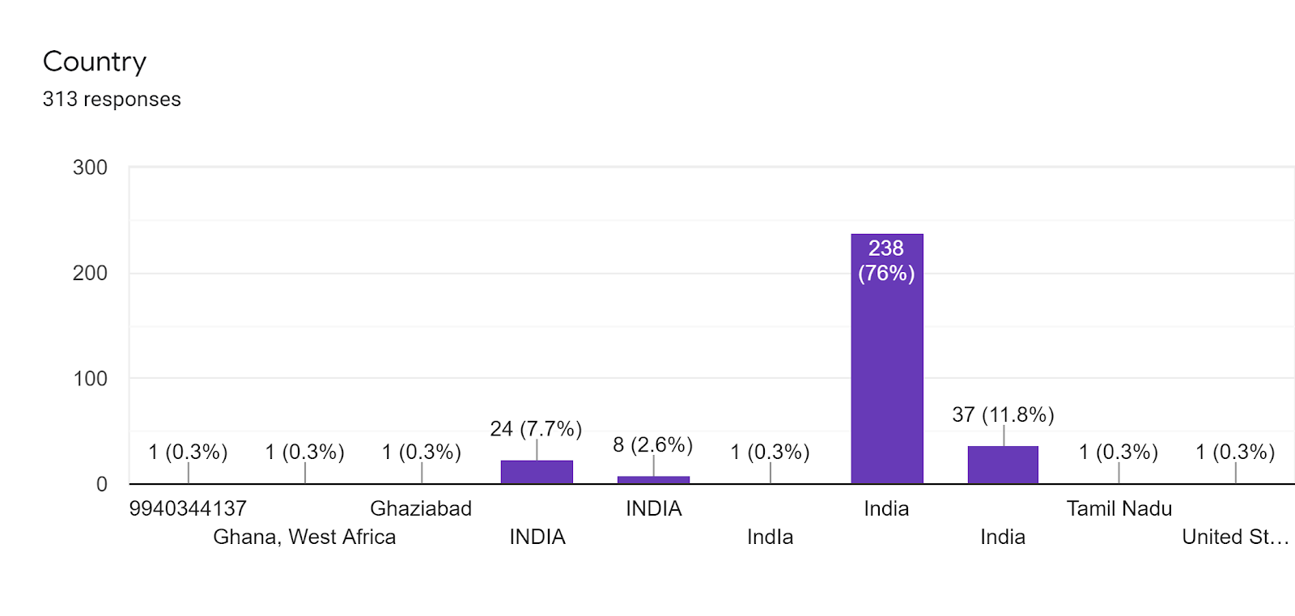
N.K.T.National College of Education and Stella Maris College
Title (of online activity /program): International Webinar on “ Research within Reach”
Resource Person/s: Day 1 : Dr. R. Sevukan
Associate Professor, Department of Library & Information Science
 |  |  | Pondicherry University , Pondicherry

 |  | Topic : Writing Research Papers : Problems with Solutions
Day 2 : Dr. K. Ramasamy
College Librarian
M.V. Muthiah Government Arts College for Women
Dindigul, Tamil Nadu

Topic : Statistical Analysis with Open Source Statistical Software ( SOFA)
Day 3 : Dr. L. Mary Immaculate Sheela
 |  |  |  | Professor & Dean
 |  |  |  | Pentacost University
 | Accra, Ghana

Topic : Reference Management Tools using Mendeley
Date/s and Time: 15 July – 17 July 2020 | 03:00 pm to 04 pm
Brief note :
The International webinar “Research within Reach” was conducted by the Department of Library , Stella Maris College in Collaboration with Centre for Excellence, N.K.T. National College for Education, Chennai from 15 July to 17 July, 2020 . There were three sessions on three days from 3 pm to 4 pm. There were 313 Participants on all the three days. The webinar was conducted using Google Meet. The purpose of organsing this webinar was to showcase that Research is accessible to all professionals, the problems that can occur while writing research papers, how to analyze the collected data and how to present the analyzed data including managing the references.

Feedback for the webinar
1. The Subject matter was presented effectively :
Resource Person | Strongly Agree | Moderately Agree | Strongly Disagree

Dr. R. Sevukan | 263 | 42 | 8
Dr. K. Ramasamy | 261 | 45 | 7
Dr.L.Mary Immaculate Sheela | 257 | 49 | 7

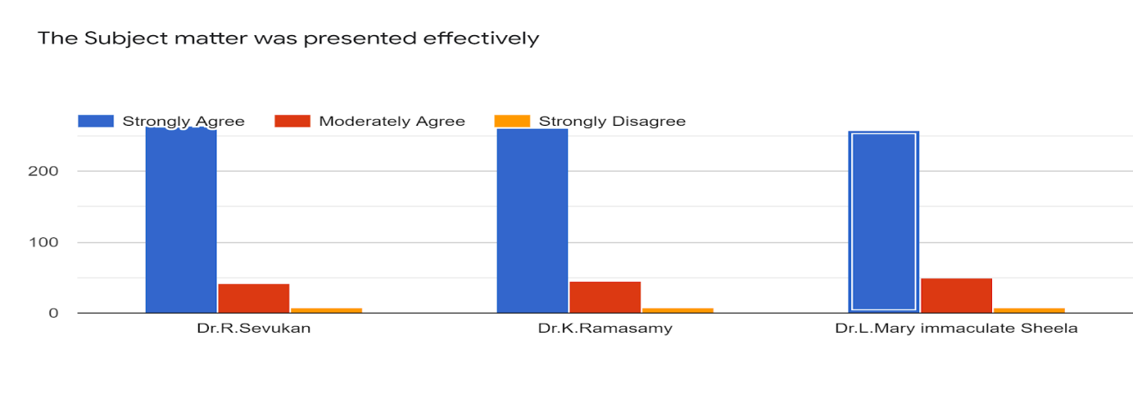
2. The Resource experts were knowledgeable :
Resource Persons | Strongly Agree | Moderately Agree | Strongly Disagree
Dr. R. Sevukan | 267 | 39 | 7
Dr. K. Ramasamy | 267 | 41 | 5
Dr.L.Mary Immaculate Sheela | 266 | 42 | 5
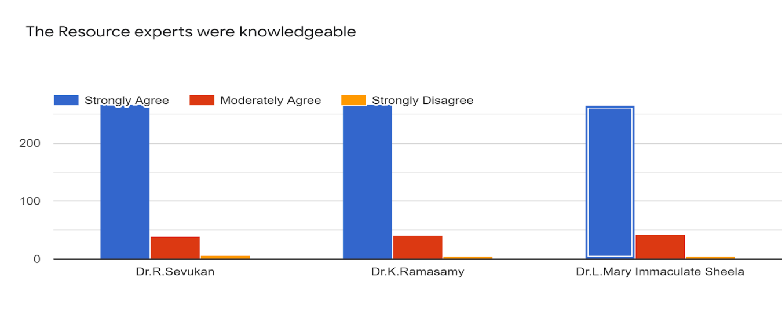
3.The pace and duration of the webinar was :
Resource Persons | Strongly Agree | Moderately Agree | Strongly Disagree
Dr. R. Sevukan | 254 | 55 | 4
Dr. K. Ramasamy | 244 | 67 | 2
Dr.L.Mary Immaculate Sheela | 252 | 57 | 4
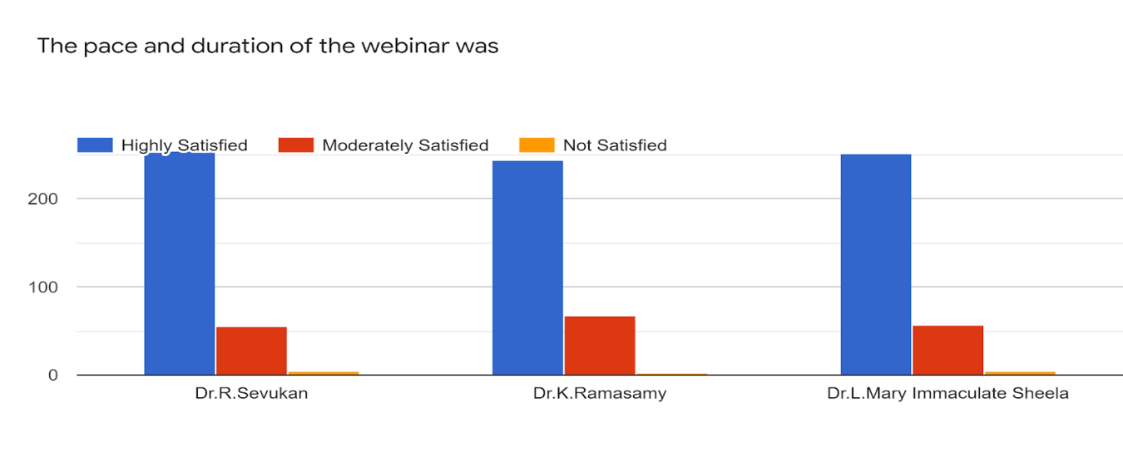
Overall Distribution of the Participants

National WebinarAug24 to 26
National Webinar
On
Technologies Addressing for Diverse Learners and Research Avenue
Organized by
National Institute for the Empowerment of Persons with Visual Disabilities
In Collaboration with
N.K.T. National College of Education for Women (Autonomous)
Department of Special Education (Visual Impairment)

Day: 1
Technology Addressing for Persons with Visual Impairment and Research Avenue in the Field of Visual Impairment

Date: 24.08.2020
Inaugural Session
Technologies Addressing for Diverse Learners and Research Avenue Organized by National Institute for the Empowerment of Persons with Visual Disabilities In Collaboration with N.K.T. National College of Education for Women (Autonomous), Department of Special Education. It is recent scenario like technologies had been part of day to day life and how it will be useful for children with special needs. Day1 -webinar had been streamed through YouTube Live and the webinar had been started by Ms. E. Nivethana, Programme coordinator, of addressing the gathering. Mrs.S. N. Saroja started her speech by gave introduction about Dr. Sree Priya. R, Programme Director and also Office i/c, NIEPVD about her career and achievement and she handed over the session to Dr. Sree Priya. R.. She introduced Dr. HIMANGSHU DAS in-between Glenda. D she translating the speech into sign language for hi students She welcomed our Honorable Director Dr. Himangshu Das, NIPEVD Dehradun and a brief about him . Sir started his speech by staying the importance and needs for special education for disability students. Ms. E Nivethana, Programme coordinator gave introduction about our principal DR. S CHAMUNDESWARI NKTNCE and she concluded her speech by giving a quote ‘Refocusing on small effects on disability ‘. Dr. S CHAMUNDESWARI gave a Special address about the NKTNCE college and also about webinar with its objective. Dr. Sree Priya. R, Programme Director introduced the speaker DR. S. SUJATHAMALINI she’s from Alagapa University Associate Professor, Karikudi.

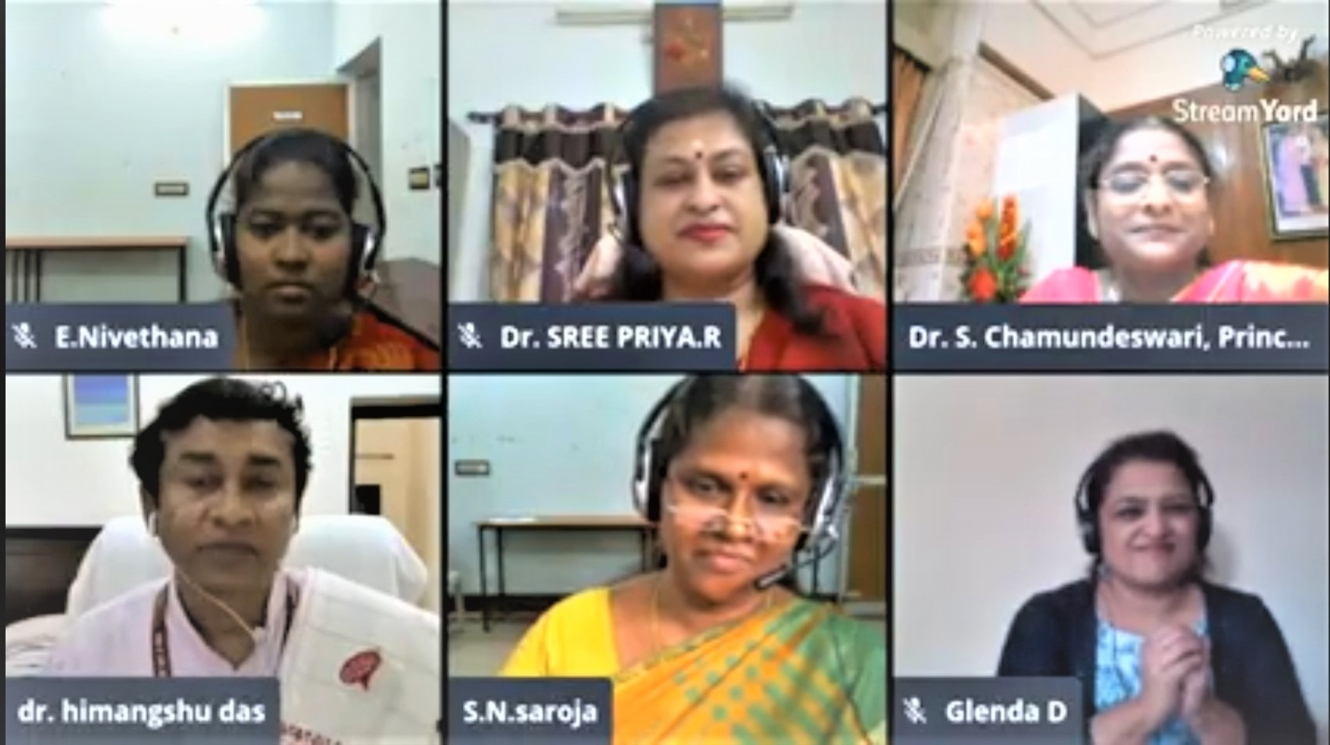

Session: 1
Topic: Technologies Addressing for the Persons with Visual Disabilities
Resource Person: DR. S. SUJATHAMALINI, Associate Professor, Department of Special Education Algappa University, Karaikudi.
Dr. SUJATHAMALINI started her speech by ASSERTIVE TECHNOLOGY OF PERSONS WITH VISUAL IMPAIRMENT. she started discuss her topics through ppt presentation. She started discussing about many assistive technologies like diverse learners, accessible technology for person with VI adaptive technique braille buzz. Books, embosser, Duxbury braille translator supernova magnifier typing tutor etc. Then she started presenting about MOBILITY DEVICES like FAR assistive device, Microsoft soundscope, sensor based assistive device for Visual Impairment. Then she concluded her speech by given important for children with disabilities.

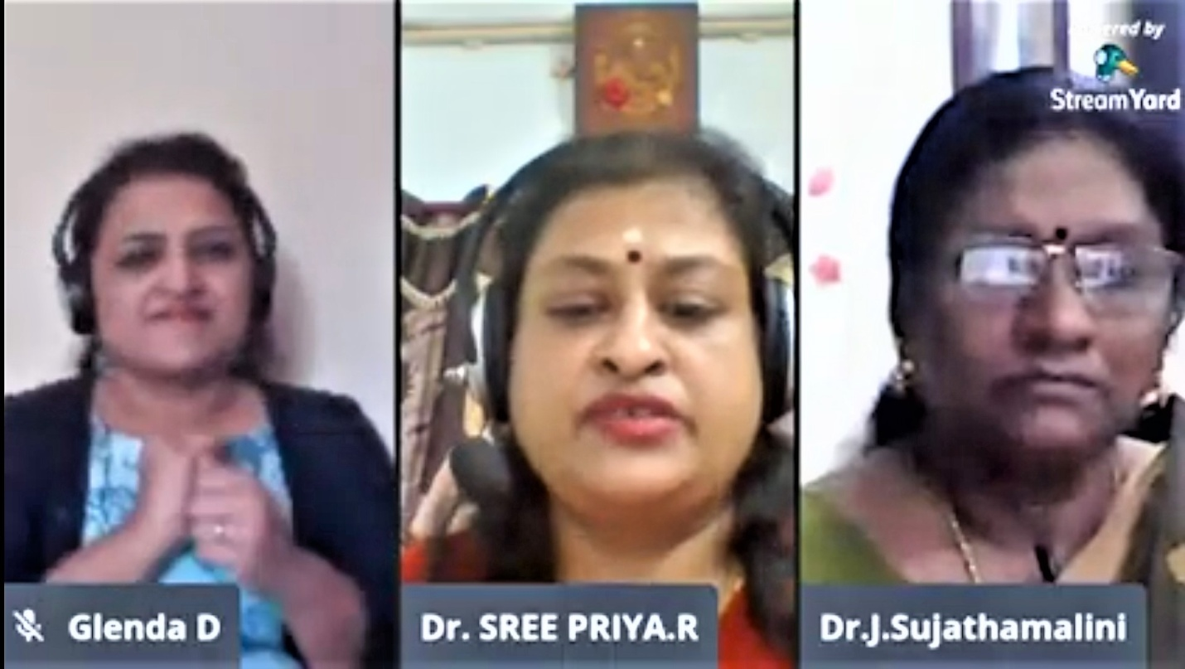

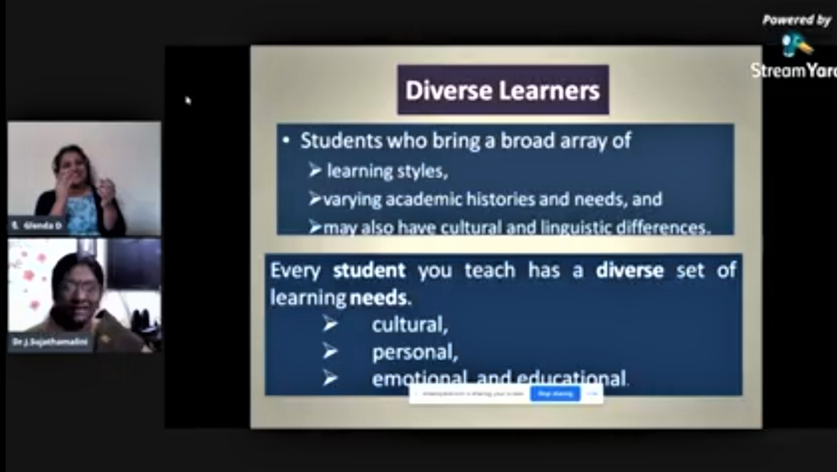

Session: 2
Topic: Research Avenue in the field of Visual Impairment
Resource Person: Dr. Sujata Bhan, Professor and Head, Dept. of Special Education, SNDT Women's University Juhu Campus, Mumbai.
Mrs. S. N. Saroja, Librarian, NIEPVD introduced the 2nd session speaker Dr.SUJATA BHAN she’s from SNDT MUMABI over 27yrs. She started her speech by says her topic HOW TO CHOOSE -RESEARCH TOPIC? SHE started her speech by presenting the ppt and the following topics she described about Why do we research, strategies for research, 5 steps strategies to write a topic prevalent of VI In India. She clearly explained all the subtopic about the research and then shared her personal experience about VI inclusive Education she ended her Speech by giving out the deep and motivated ideas about research topics. Dr. Sree Priya. R, Programme Director and also Office i/c, NIEPVD thanked her for her immense speech and then we concluded the webinar.
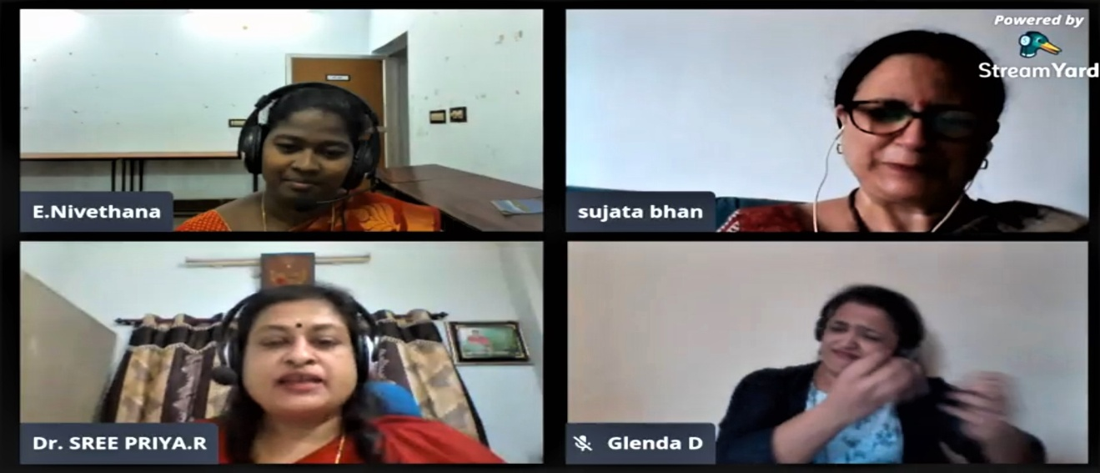

Day 2
Technology Addressing for Persons with Hearing Impairment and Research Avenue in the Field of Hearing Impairment

Date : 25.08.2020
Session 1
Topic: “Technology Addressing for the Persons with Hearing Impairment
Resource Person: Prof. Rangasayee. R, senior audiologist and speech language pathologist
Session Deliverance
The Resource Person started up with the low cost technologies used for screening Hearing Impairment child of 6 months. Then he insisted over a point that any assistive technology must be affordable, applicable, acceptable, and adoptable, it should be a good quality and implementation of the technology plays a vital role in the field of Special Education. Later he was ahead with a point that “WHO global disability action 2014-21 identified 4 major functional activities to develop assistive technology”. Those were in the area of: eating and drinking, transferring person from bed or chair, cleanliness and hygiene and hearing and communication. He then portrayed important role of hearing and also insisted the fact that hearing impaired students using hearing aids can only have 90% capability in their hearing process. There is a stress-up by him in teaching of language which enhances both communication and cognitive process. Next he explained degree of hearing loss was with the help of speech banana pie chart. His information was fairly based on components of hearing aids and digital hearing aids. He gave lot more information about types of hearing aid and manner of placement of hearing aid in ear. He exposed us to the categories in hearing device that is augmentation (amplify sound, increase signal to ratio) and transforming devices (convert speech into text). Augmented hearing aids: FM hearing aid, sound field system, induction loop system and audio- visual FM system. Transforming devices includes: communication access real time translation (CART), accessible instructional material (AIM). At last he concluded the easiest technologies accessible for HI students such as: web based learning experience, web based video conferencing, online video lectures.
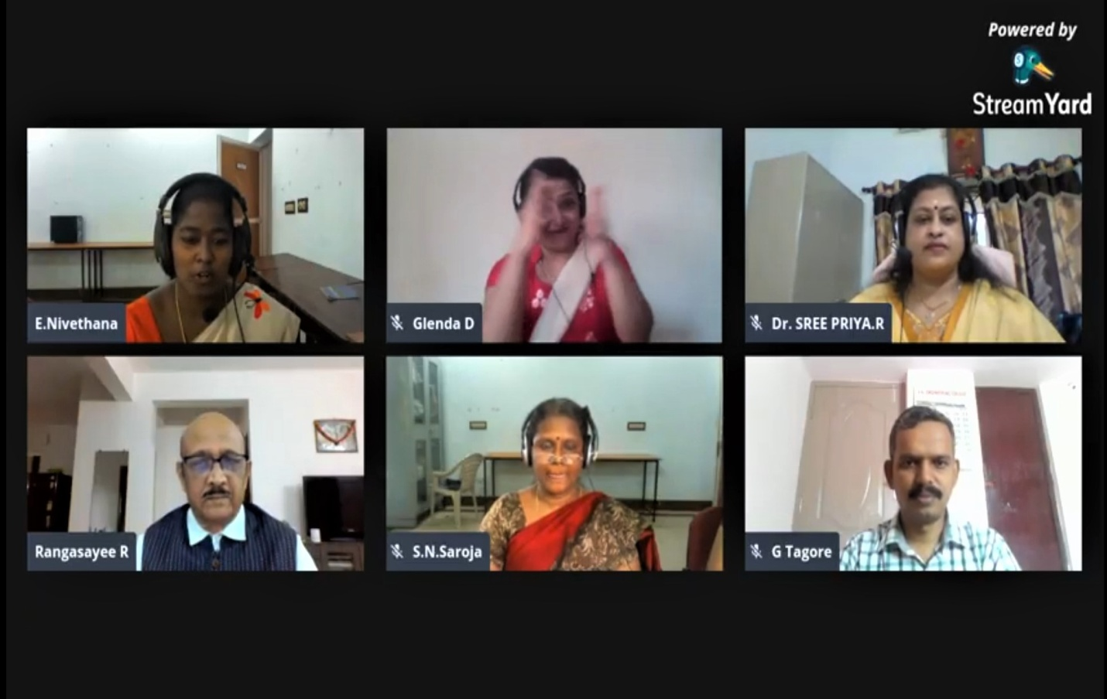

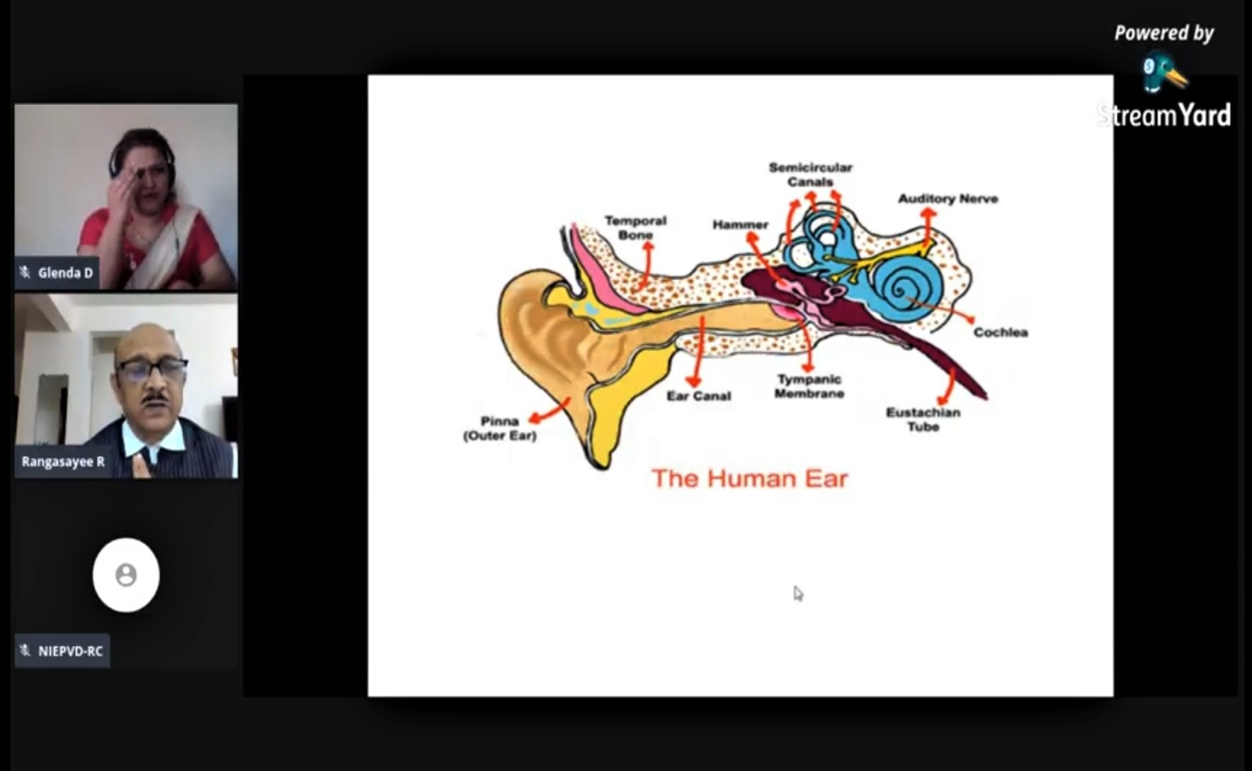
Session 2
Topic: Research Avenue in the Field of Hearing Impairment
Resource Person: DR Varsha Gathoo, Reader/ Head at Ali Yavar Jung National Institute for Speech and Hearing Disabilities (Divyangjan), Maharashtra.
Session Deliverance
The speaker presented why and what the research to be done, its importance, understanding Hearing Impairment, about philosophy, policies and practice, what are the types of research and how to decide. She insisted upon the fact to take steps to address the disability at the primary level so it may be supportive to the students. In the process of understanding Hearing Impairment she has exposed us about how hearing loss affect receptive language, expressive language and in turn these affect the education, employment, and the quality life of Hearing Impairment students. She also highlighted on the types of research: descriptive (status in academic achievement), correlation( identify improvement of the child), experimental (study of impact). She concluded with the way to research: knowledge, vision, development, potential, experience, competence, performance.

As the end of these two sessions there was a fact of clarity on technologies available for Hearing Impairment students and how they are useful for their degree of hearing loss and how research in Hearing Impairment improves the quality life for Hearing Impairment students, which enhance their educational needs and independent living.

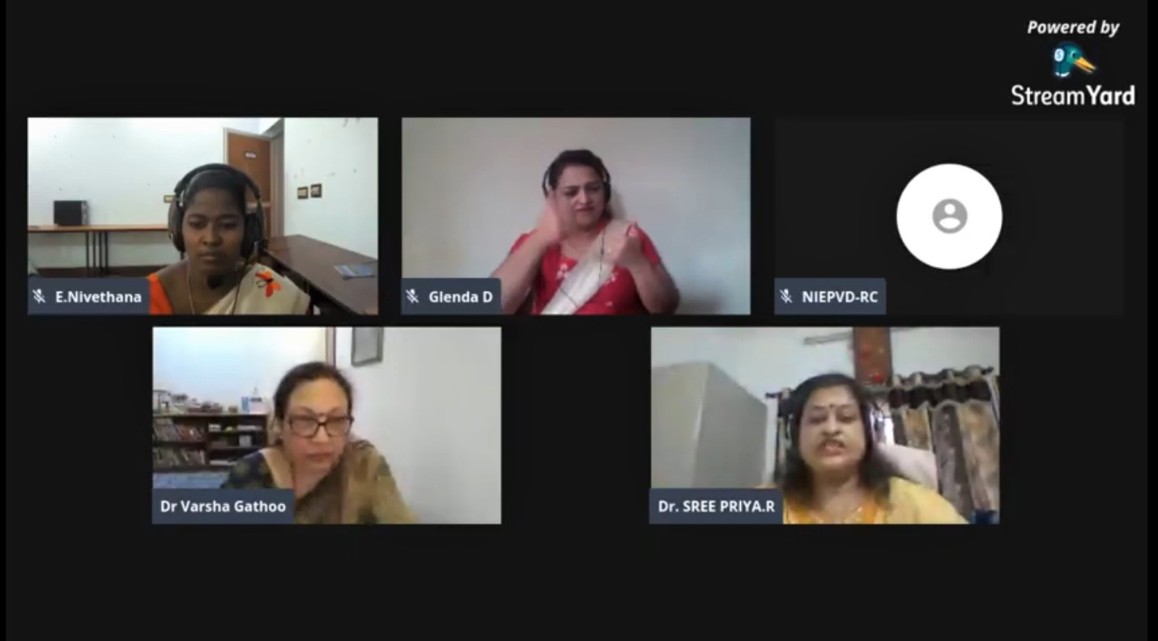

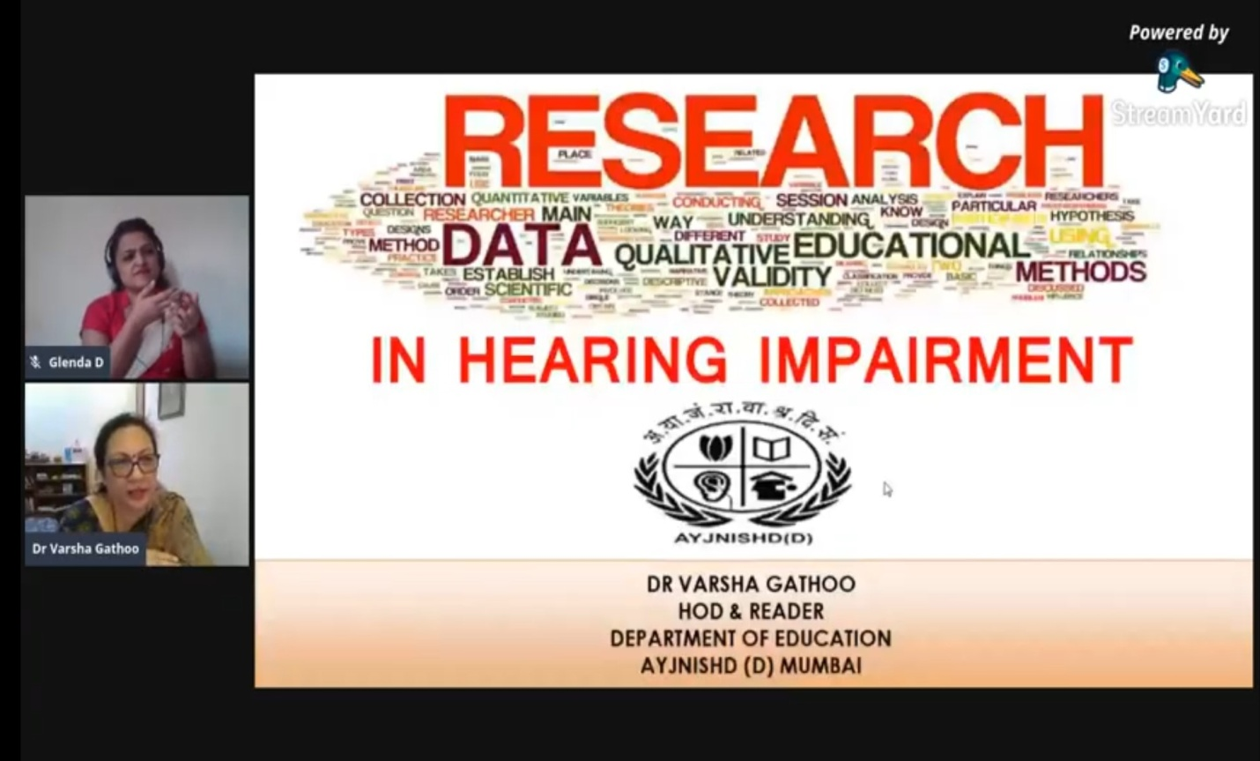

Day -3
Day 2
Technology Addressing for Persons with Intellectual Disability and Research Avenue in the Field of Intellectual Disability

Session: I
Topic: Technologies Addressing for the Persons with Intellectual Disability
Resource Person: Mrs. Kalyani K, Assistant Professor
Welcome Addressing
She started with these quotes of Hellen keller "When one door of Happiness closes, another opens; but often we look so long at the closed door that we do not see the one which has been opened for us”. She exclaimed how the technology would play a vital role for diverse learners in this pandemic situation??Then she said DR.SRIPRIYA, Programme Director, Introduced the expert for the session Mrs.kalyani who is a principal in Kaiser academy Bangalore,who has 11 years of teaching experience. She has presented 30 articles in conferences, seminars etc..
Session Deliverancce
The Speaker started with saying about intellectual disability and she said about characteristics of PWID and the problems faced for the children who have intellectual disability.She explained the types of intellectual disability –different grades of PWID she gave a clear view on accessible technology which categorized assistive technology ,electronic and information technology. She gave a vast idea on instructional aids and how to use it
Learning materials
Computer tools
Reading tools
Writing tools
Mathematic tools
Next she moved to augmentative and alternative communication
She said how children face difficulty in communication. She said to use
· Picture card
· q cards
· emotional cards
And mobile apps play the vital role to improve communication skill. She said about proloquo2Go app,Voice4u app. Then she proceeded with adaptive toys Example that she gave was sensory toys, real time toys which enables learning experiences. Moving on she said about adaptive behaviour. She concluded with children with disability are like butterflies with broken wing so, as educators we should them to spread their wings. Then the session was followed with question from the participants.
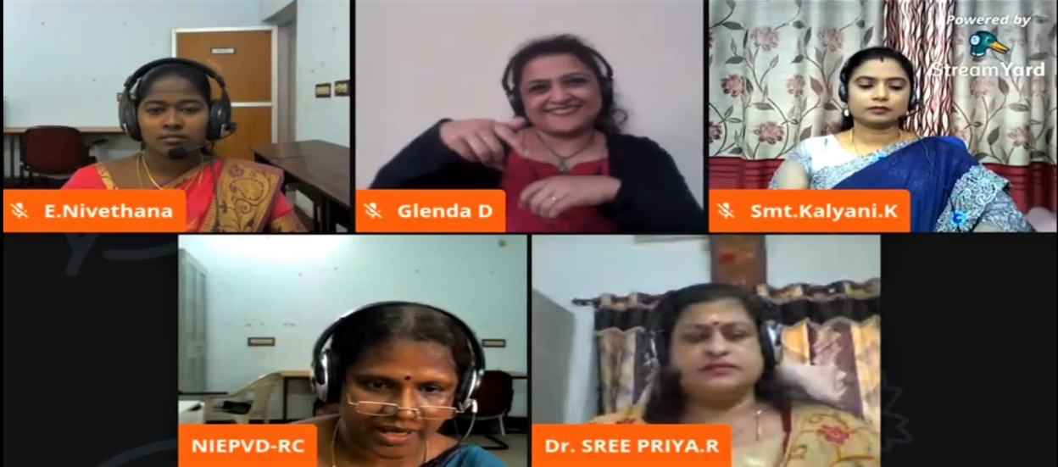

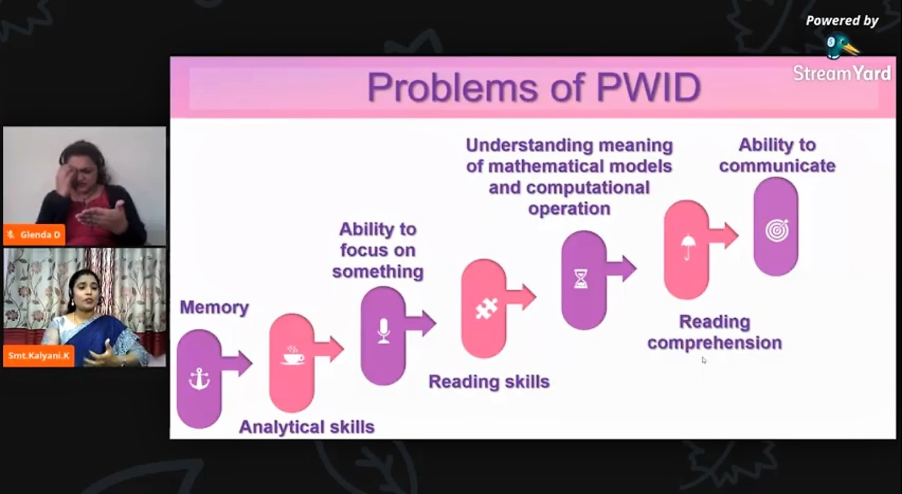

Session 2
Topic: Research Avenue in the field of Intellectual Disability
Resource Person: Dr.Jayanthi Narayan, Visiting Professor of Inclusive Education, Faculty of Health, Education and Society,University of Northampton, UK, Former Dy. Director, NIMH / NIEPID, Secunderabad
Welcome Gathering & Resource Person
Dr.Sripriya mam introducedthe expert for the session 1 DR.Jayanthi Narayanan special educator who is currently a visiting professor in UK,Rtr.Director of NIMH GOVT OF INDIA.

Session Deliverance
DR. .Jayanthi Narayan, Madam started her talk by saying “ Research is to see what everybody else has seen and think what nobody else has thought” She explained what is all about research connected to real life experience example of making sambar powder how systematic inquiry into situation works. Research is for all not just for researchers she exclaimed to it. She said that results from research are open to public scrutiny. Then she said about the steps involved in research and process involved in search of research problems. She exclaimed on how to study emotions is very important to bring children correctly with behaviour modification with a short story. She also extended Checking the proposal in research is very important. Then aim and objective for research was said how the aim and objective should be. She also said about APA format of report writing. Then qualitative research how it is important. Experimental studies with different methods was elaborated. Mam said about journal of policy and practice in ID She extended her talk saying about the sources of funding for research AND ALSO SHE EXPLAINED research gaps in today’s situation. She also taught 4 manthras What, Why, How and so what for research budding scholars and also taught SMART. Finally she clarify some of the questions to the participants for answers. And think about it. Then the session was followed with question from the participants. And finally vote of thanks was proposed by Dr.Sreepriya and the session was ended
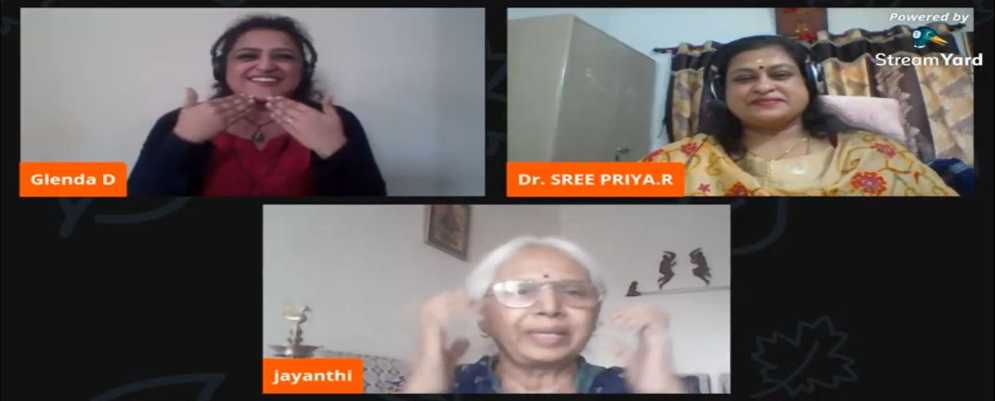

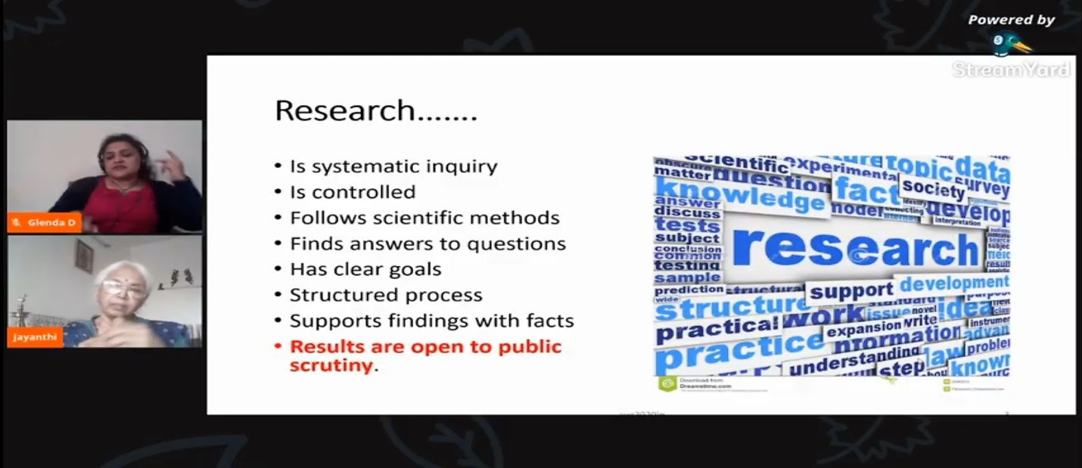

Day 4
Technology Addressing for Persons with Neur Developmental Disorders and Research Avenue in the Field of Neur Developmental Disorders

Day 4
Session:1
Topic: Technology Addressing for Persons with Neuro Developmental Disorders
Resource Person: K S Uma, Coordinator, HRD, In charge of training and development
Vidya Sagar.

Welcome Dignitaries & Gathering
The session started with 30 seconds silent prayer followed by a briefing from Assistant Professor Ms. E.Nivethana about the three day session. She quoted “knowledge is love, light and vision” for the amount of knowledge we are gaining through these webinars. It was later followed by Rc.S.N. Saroja welcoming Dr. Sree Priya.R. She welcomed the speaker for the session on Accessible Technology for Persons with Neuro Developmental Disability by Dr. K.S. Uma Co-ordinator, HRD, Incharge of Training and Development, VidyaSagar , Chennai.
Session Deliverance
The speaker started her session with a brief introduction to what is Neuro Developmental Disorders. She divided the assistive technologies into 7 broad categories by Byrant and Byrant (2003). Though they are strict they sometimes overlap. Positioning and comfort should be taken into consideration for the child and communication plays a keyrole are the points emphasized by her. She started explaining about the various technologies available like A Sample Communication Board, Switches to replace clicks in computer. The proudest moment was when she spoke about VINNER – VBOSS, switch developed by Balaji and Sujatha , Engineering graduates working in Vidya Sagar. Some software mentioned by her are Avaz, Kavi PTS, Sanyog etc. She stressed about how for children choices, decisions and expanding language is important by presenting few slides on it. She explained in detail about every technology that is available for the students. She also talked about age appropriate software and how they have taken up a project with Anna University to develop software for Vidyasagar like Switch Accessible puzzles, Billing software etc. Her session ended with her answering questions from participants.

Session:2
Topic: Research Avenue in the field of Neuro Developmental Disorder
Resource Person: Dr.S.Ramaa, Professor of Special Education, Head DE, Former Dean of Instruction, Regional Institute of Education ,NCERT,Mysore.
Welcome Dignitaries & Gathering

 | The second session began with Dr. Sree Priya.R welcoming Dr.Ramaa.S, Professor and Head of the Department of Education, Dean of Instruction, Regional Institute of Education NCERT, Mysore on the topic on Research Avenues in the Field of Neuro-Developmental Disability. She has been working in National council of education Research and Training ,Ministry of Human Resource Development ,Government of India for the last 32 years and working as Professor of Special Education from 2001 onwards.
Session Deliverance
In her session she gave a small introduction about different terms used in disabilities. She started with the intellectual disability and spoke about how it affects most of the higher order thought process and also how for the first time in India the learning disability and speech disability which was considered as part of the hearing problem is now under communication disorder. She then proceeded how Neuro Development is estimated by the World Health Organisation that 15% of the world's population lives with disability and neuro developmental disorders contribute to this amount of disability worldwide.
She talked about attention deficit hyper active disorder and how it persists even in adulthood. She briefed about neuro developmental motor disorder and its diagnosis. She briefed on autism spectrum disorder and its behaviour and pattern.
She spoke in detail about specific learning disorder and how it affects an individual's performance and ability to perceive. she emphasized that in any research it is more important to understand the nature of the particular problem and more about the particular disability
Learning disability may also involve difficulties with organizational skills social perception social interaction and perspective taking. The various factors that contribute to learning disabilities and how one should not rely on one set of information or academic skills .we should use a standardized and norm reference test. She stressed the importance of using vernacular language to construct the tool for learning disabilities. She gave a vibrant presentation highlighting about Neuro disability disorders and also about diverse learners in inclusive education.

Day 5
Technology Addressing for Persons with Multiple Disabilities and Research Avenue in the Field of Multiple Disabilities
Date:28.08.2020
Session: 1
Topic: Technology Addressing the Persons with Multiple Disabilities
Resource Person: Shri. S. SHANKAR SUBBIAH, ICT Consultant for Persons with Disabilities, NIEPMD, Chennai.
Welcome Dignitaries & Gathering

The event started with a welcome address by Dr. Sree Priya. R, Officer I/c, NIEPVD-RC. She extended her warm welcome to all the dignitaries and resource persons for the last day national webinar.
Session Deliverance
Shri. S. Shankar Subbiah addressed the gathering and presented his topic on “Accessible Technology for PWMD” by screen sharing his presentation. He started by explaining ‘what is MD?’ and the ‘causes of MD’. He emphasized on the requirements of accessible technology for the persons with multiple disabilities. He listed various categories in which the accessible technologies are classified. He explained each and every field and the category that come under that particular field. He gave a brief list of applications and documents for future use. He concluded his presentation by quoting that ‘technology is an enabler and a game changer for every learner’.

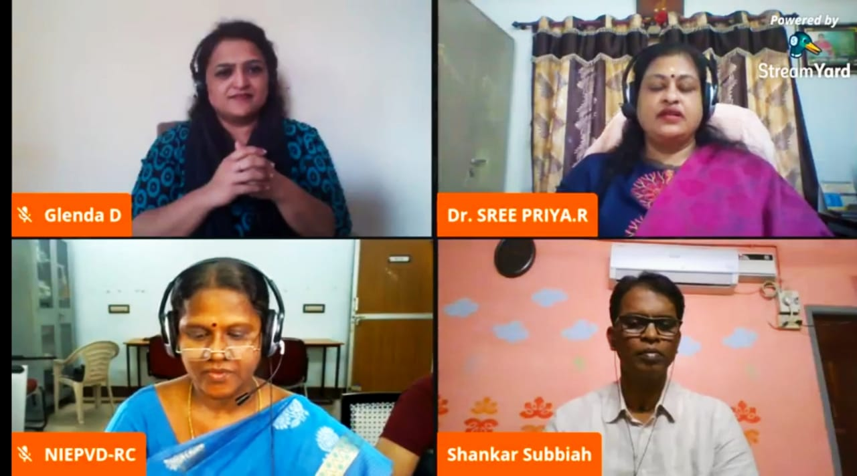

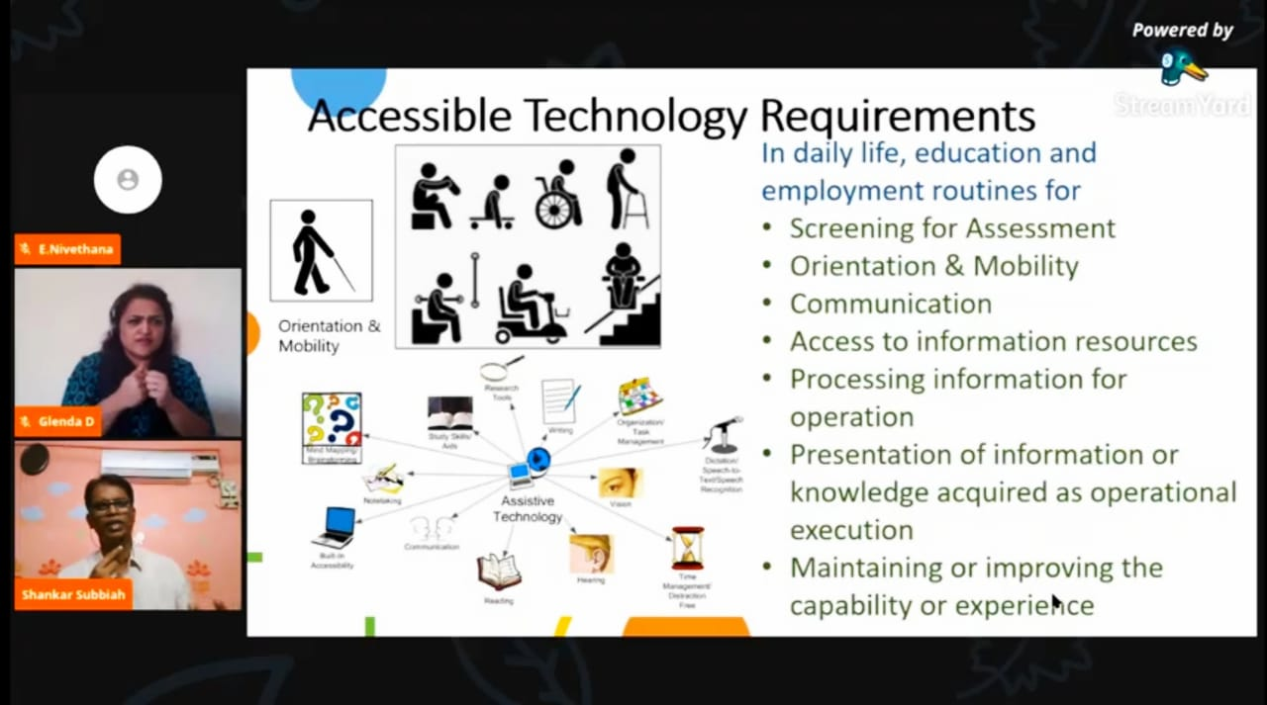

Session:2
Topic: Research Avenue in the field of Multiple Disabilities
Resource Person: Dr. K. BALABASKAR, Lecturer- Adult Independent Living, NIEPMD, Chennai.

Session Deliverance
Dr. K. Balabaskar started the second session by highlighting the importance of technology. He explained that in special education field, there is no separate lab or place for research, but all the everyday activity are considered to be ‘re-search’. He emphasized the importance of job identification, life skills, human resource development, teacher training institutes and education systems. He concluded his session by stating the importance of health, family and value education in our children. He also quoted that ‘research is nothing but re-search and is a continuous process.

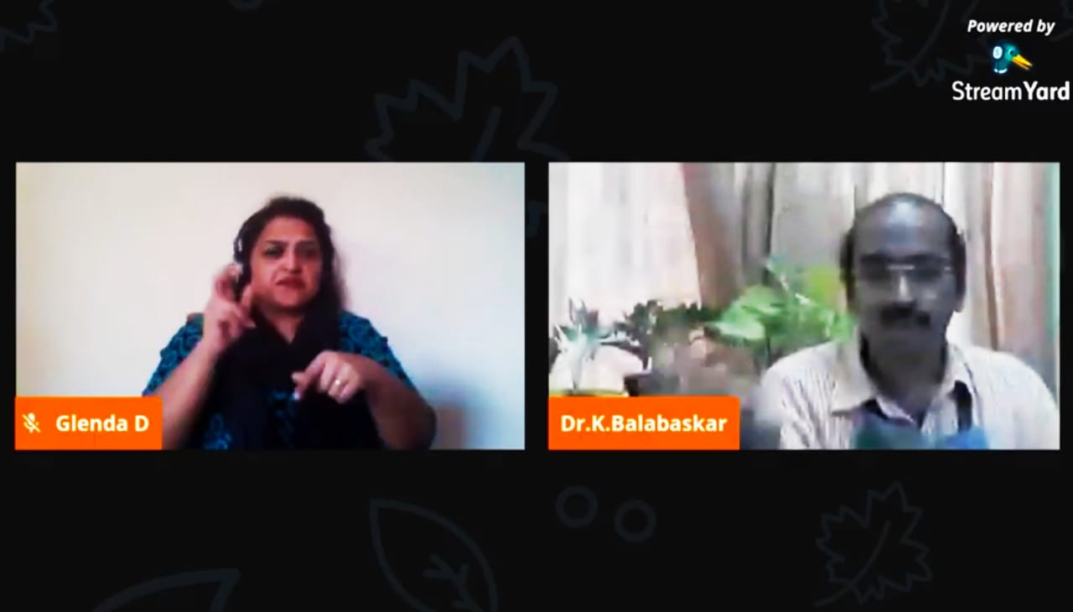

VALEDICTORY FUNCTION
Date: 28.08.2020
Timing: 5:00pm TO 5:30pm
Welcome address: Dr. Sree Priya. R, Officer I/c, NIEPVD-RC
Description:
The event started with a detailed report presented on the 5 days national level webinar by Mrs. Saroja. Then Dr. Sree Priya. R, Officar I/c, NIEPVD-RC extended her warm welcome by presenting her welcome address to Dr. V. Jayasree Priyadharshini the guest of honour for the function. Dr. V. Jayasree Priyadharshini gave the guest of honour speech and highlighted the impact of the national level five day webinar. The vote of thanks was delivered by Ms. E. Nivethana, Programme Coordinator.

